Sheet1
Bear Valley Electric Service
2023-2025 WMP Data Request Log - as of 7/10/23
Link to data requests and response: https://www.bvesinc.com/safety/wildfire-mitigation-plan/
Count | Party Name | DR Set # | Requestor | Q# | Question ID | Date Received | Final Due Date | Response Date (Sent) | Data Request Question | Response | #Attachments | NDA | WMP Section | Category | Subcategory | Confidential
1 | Green Power Institute | GPI-BVES-2023WMP-01 | Zoe Harrold, Gregg Morris | 1 | GPI-BVES-2023WMP-01_Q1 | 2023-03-06 | 2023-03-09 | 2023-03-07 | Please provide Bear Valley Electric Service’s Pre-submission 2023-2025 WMP Base Plan filed on March 6, 2023, with the OEIS per the 2023 WMP Guidelines and Schedule document. Including all attachments and associated supporting documents required for the Pre-submission 2023-2025 WMP Base Plan filing | See attachments | 7 | N/A | N/A | Administrative |  | N
2 | Public Advocates Office | CalAdvocates-BVES-2023WMP-02 | Holly Wehrman, Carolyn Chen, Marybelle Ang | 1 | CalAdvocates-BVES-2023WMP-02_Q1 | 2023-02-22 | No specified | 2023-03-07 | Please provide a copy of each WMP-related document, submission, or report you submit to the Office of Energy Infrastructure Safety (Energy Safety) in 2023 that is related to your WMP. Provide the copy to Cal Advocates within one business day of the document’s submittal to Energy Safety. (If you have submitted the document to Energy Safety in 2023 prior to this data request, please provide a copy as soon as possible and no later than 10 business days from the issuance of this data request.) This request is limited to materials or documents that (1) are related to work plans, initiative targets, risk models, risk spend efficiency (RSE) calculations, or WMP change orders; and (2) are provided to Energy Safety to provide additional details or context concerning information or statements in your WMP (and any subsequent revisions or change orders affecting your WMP). | See attachments | 7 | N/A | 8.1.6 | Quality Assurance/Quality Control |  | N
3 | Public Advocates Office | CalAdvocates-BVES-2023WMP-02 | Holly Wehrman, Carolyn Chen, Marybelle Ang | 2 | CalAdvocates-BVES-2023WMP-02_Q2 | 2023-02-22 | No specified | 2023-03-07 | Please provide a copy of your WMP pre-submission within two business days of its submission to Energy Safety. | See response to question 1 | 0 | N/A | 8.1.6 | Quality Assurance/Quality Control |  | N
4 | Public Advocates Office | CalAdvocates-BVES-2023WMP-02 | Holly Wehrman, Carolyn Chen, Marybelle Ang | 3 | CalAdvocates-BVES-2023WMP-02_Q3 | 2023-02-22 | No specified | 2023-03-07 | Provide a copy of all documents or files that are referenced in your WMP Quarterly Data Reports and submitted to Energy Safety (including but not limited to all PDFs, spatial data files, non-spatial data files, and confidential attachments) on the same business day that the document is sent to Energy Safety. | See response to question 1 | 0 | N/A | 8.1.3 | Asset Inspections |  | N
5 | Public Advocates Office | CalAdvocates-BVES-2023WMP-02 | Holly Wehrman, Carolyn Chen, Marybelle Ang | 4 | CalAdvocates-BVES-2023WMP-02_Q4 | 2023-02-22 | No specified | 2023-03-07 | Provide a copy to Cal Advocates of all your confidential responses to WMP discovery requests, on the same business day that you send the documents to the issuer of the discovery request. This includes: a) Confidential responses to WMP discovery requests issued by Energy Safety. b) Confidential responses to WMP discovery requests issued by other entities. | See response to question 1 | 0 | N/A | 8.1.3 | Asset Inspections |  | N
6 | Public Advocates Office | CalAdvocates-BVES-2023WMP-02 | Holly Wehrman, Carolyn Chen, Marybelle Ang | 1 | CalAdvocates-BVES-2023WMP-02_Q1 | 2023-02-22 | 2023-03-08 | 2023-03-08 | Please identify and provide a copy of all quality assurance or quality control (QA/QC) reports conducted by internal entities that have been completed since January 1, 2022 and that examined any programs, initiatives, or strategies described in your 2022 WMP Update. | Provided below are the BVES quality assurance or quality control (QA/QC) records and reports for programs, initiatives, or strategies described in the 2022 WMP Update: GO-165 Detailed Inspections – 29.6 circuit miles inspected - (refer to 2022 Detailed Inspections) G0-165 Patrol Inspections – 255 circuit miles inspected - (refer to 2022 Patrol Inspections) Pole Intrusive Inspections – 853 poles Inspected - (refer to 2022 Intrusive Poles) LiDAR inspection – 211 circuit miles inspected - (refer to 2022 LiDAR inspection) Third Party Ground Patrol – 211 circuit miles Inspected in 2022- (refer to 2022 BVES 3rd Party and UAV inspection) UAV Inspection – 211 circuit miles inspected - (refer to 2022 BVES 3rd Party and UAV inspection) Vegetation QCs conducted by management – 132 inspections (1,419 trees) (refer to 2022 Vegetation QA.QC) Covered Conductor QCs conducted on contractor installations – 12.96 circuit miles installed and inspected - (refer to 2022 Covered Conductor Installation QCs) Tree Attachment Removal QCs conducted on contractor installations - 83 Tree Attachment Removals (refer to 2022 TARP QCs) | 7 | N/A | 6.4 | Risk Analysis Results & Presentation |  | N
7 | Public Advocates Office | CalAdvocates-BVES-2023WMP-02 | Holly Wehrman, Carolyn Chen, Marybelle Ang | 2 | CalAdvocates-BVES-2023WMP-02_Q2 | 2023-02-22 | 2023-03-08 | 2023-03-08 | Please identify and provide a copy of all quality assurance or quality control (QA/QC) reports conducted by external entities that have been completed since January 1, 2022 and that examined any programs, initiatives, or strategies described in your 2022 WMP Update. External entities include, but are not limited to, consultants, contractors, auditors, and Independent Evaluators. | Attached are reports from January 1, 2022, which include quality assurance or quality control (QA/QC) information conducted by external entities. Final Independent Evaluator Annual Report of Compliance, dated June 30, 2022 (BVES 2021 WMP Final 20220630). Report on 2020 Substantial Vegetation Management Audit, dated September 29, 2022 (Energy Safety’s Report on BVES’s 2020 SVM Audit) | 3 | N/A | 6.4 | Risk Analysis Results & Presentation |  | N
8 | Public Advocates Office | CalAdvocates-BVES-2023WMP-02 | Holly Wehrman, Carolyn Chen, Marybelle Ang | 3 | CalAdvocates-BVES-2023WMP-02_Q3 | 2023-02-22 | 2023-03-08 | 2023-03-08 | Provide an Excel table of all defects in the year 2022 found by Energy Safety’s Compliance Branch (as rows) that includes the following information in separate columns. a) Associated circuit name b) Defect type c) Description of defect d) WMP initiative (from your 2022 WMP update) associated with defect e) Date that the defect was identified f) Date that the defect was corrected g) If the defect has not yet been corrected as of the issuance date of this data request, a brief explanation h) Priority level of corresponding corrective tag i) Geographic latitude of defect in decimal degrees, truncated to seven decimal places j) Geographic longitude of defect in decimal degrees, truncated to seven decimal places. | In 2022 no defects were found by the Energy Safety Compliance Branch. | 0 | N/A | 6.4 | Risk Analysis Results & Presentation |  | N
9 | Public Advocates Office | CalAdvocates-BVES-2023WMP-02 | Holly Wehrman, Carolyn Chen, Marybelle Ang | 4 | CalAdvocates-BVES-2023WMP-02_Q4 | 2023-02-22 | 2023-03-08 | 2023-03-08 | Provide an Excel table of all violations in the year 2022 found by Energy Safety’s Compliance Branch (as rows) that includes the following information in separate columns. a) Associated circuit name b) Violation type c) Description of violation d) WMP initiative (from your 2022 WMP update) associated with violation e) Date that the violation was identified f) Date that the violation was corrected g) If the violation has not yet been corrected as of the issuance date of this data request, a brief explanation h) Priority level of corresponding corrective tag i) Geographic latitude of violation in decimal degrees, truncated to seven decimal places j) Geographic longitude of violation in decimal degrees, truncated to seven decimal places. | In 2022 no violations were found by the Energy Safety Compliance Branch. | 0 | N/A | 6.4 | Risk Analysis Results & Presentation |  | N
10 | Public Advocates Office | CalAdvocates-BVES-2023WMP-03 | Holly Wehrman, Carolyn Chen, Marybelle Ang | 1 | CalAdvocates-BVES-2023WMP-03_Q1 | 2023-02-22 | 2023-03-22 | 2023-03-22 | Provide an Excel table of all circuits existing as of January 1, 2023 (as rows) that includes the following information in separate columns: a. Circuit name b. Circuit ID number c. Total circuit miles d. Circuit miles in Non-HFTD Areas e. Circuit miles in Other HFTD f. Circuit miles in HFTD Tier 2 g. Circuit miles in HFTD Tier 3 h. Circuit voltage i. Circuit SAIDI (System Average Interruption Duration Index) for 2021 j. Circuit SAIDI (System Average Interruption Duration Index) for 2022 k. Circuit SAIFI (System Average Interruption Frequency Index) for 2021 l. Circuit SAIFI (System Average Interruption Frequency Index) for 2022 m. Circuit MAIFI (Momentary Average Interruption Frequency Index) for 2021 n. Circuit MAIFI (Momentary Average Interruption Frequency Index) for 2022 o. Total customer-minutes of de-energization on the circuit due to PSPS events in 2021 (sum of customer-minutes across all PSPS events) p. Total customer-minutes of de-energization on the circuit due to PSPS events in 2022 (sum of customer-minutes across all PSPS events) q. Total customer-minutes of de-energization on the circuit due to fast-trip settings in 2021 r. Total customer-minutes of de-energization on the circuit due to fast-trip settings in 2022 s. Miles of covered conductor installed in Non-HFTD in 2021 t. Miles of covered conductor installed in Non-HFTD in 2022 u. Miles of covered conductor installed in Other HFTD in 2021 v. Miles of covered conductor installed in Other HFTD in 2022 w. Miles of covered conductor installed in HFTD Tier 2 in 2021 x. Miles of covered conductor installed in HFTD Tier 2 in 2022 y. Miles of covered conductor installed in HFTD Tier 3 in 2021 z. Miles of covered conductor installed in HFTD Tier 3 in 2022 aa. Number of poles replaced in Non-HFTD in 2021 bb. Number of poles replaced in Non-HFTD in 2022 cc. Number of poles replaced in Other HFTD in 2021 dd. Number of poles replaced in Other HFTD in 2022 ee. Number of poles replaced in HFTD Tier 2 in 2021 ff. Nu | Please refer to the attached Excel table titled “CalAdvocates-BVES-2023WMP-03 Support Table" | 1 | N/A | 6.4 | Risk Analysis Results & Presentation |  | N
11 | Public Advocates Office | CalAdvocates-BVES-2023WMP-03 | Holly Wehrman, Carolyn Chen, Marybelle Ang | 2 | CalAdvocates-BVES-2023WMP-03_Q2 | 2023-02-22 | 2023-03-22 | 2023-03-22 | Provide an Excel table of all circuits existing as of January 1, 2022 (as rows) that were removed or decommissioned in 2022, either partially or entirely. This includes permanent removal, removal of overhead lines that were moved underground, or overhead lines that were decommissioned but not physically removed. Include the following information in separate columns: a. Circuit name b. Circuit ID number c. Circuit miles removed or decommissioned in Non-HFTD Areas d. Circuit miles removed or decommissioned in Other HFTD e. Circuit miles removed or decommissioned in HFTD Tier 2 f. Circuit miles removed or decommissioned in HFTD Tier 3 g. Reason(s) for removal or decommissioning. | No circuits were removed or decommissioned in 2022. | 0 | N/A | 6.4 | Risk Analysis Results & Presentation |  | N
12 | Public Advocates Office | CalAdvocates-BVES-2023WMP-03 | Holly Wehrman, Carolyn Chen, Marybelle Ang | 3 | CalAdvocates-BVES-2023WMP-03_Q3 | 2023-02-22 | 2023-03-22 | 2023-03-22 | For each WMP initiative listed below, please state how the modeled Wildfire Risk Scores for each circuit or circuit-segment influenced where you performed work in 2022: a. Vegetation management b. Covered conductor installation c. Undergrounding d. Distribution pole replacement e. Grid sectionalization f. Detailed inspections of distribution assets g. Aerial inspections of distribution assets h. LiDAR inspections of distribution assets. | a. Vegetation management Response Vegetation Management is completed on a 3-year cycle for the BVES territory. Emergency Vegetation Management was performed as higher risk situation arose. b. Covered conductor installation Response BVES installed covered conductor is focused on main distribution lines for several circuits. 4.95 of the 12.96 circuit miles of the covered conductor were installed on circuits with higher modeled Wildfire Risk Scores. c. Undergrounding Response No undergrounding of the grid was completed. Only replacement/ maintenance of existing underground services were performed. d. Distribution pole replacement Response A majority of pole replacements were completed in conjunction with installation of covered conductor. Pole installation/replacement was also performed for removal of tree attachments. Modeled Wildfire Risk Scores for circuits were utilized in prioritizing the removal of tree attachments. e. Grid sectionalization Response No sectionalization was added to the grid. Temporary grid sectionalization was performed for the completing of covered conductor installation, removal of tree attachments, and other maintenance to the grid. f. Detailed inspections of distribution assets Response Detailed inspections of the distribution assets are completed on a 5-year cycle for the BVES territory. Detailed inspections were performed on the scheduled circuits. g. Aerial inspections of distribution assets Response Aerial inspections were completed throughout the aboveground BVES distribution system. h. LiDAR inspections of distribution assets. Response LiDAR inspections were completed throughout the aboveground BVES distribution system. | 0 | N/A | 6.4 | Risk Analysis Results & Presentation |  | N
13 | Public Advocates Office | CalAdvocates-BVES-2023WMP-03 | Holly Wehrman, Carolyn Chen, Marybelle Ang | 4 | CalAdvocates-BVES-2023WMP-03_Q4 | 2023-02-22 | 2023-03-22 | 2023-03-22 | For each WMP initiative listed below, please state how the modeled Wildfire Risk Scores for each circuit or circuit-segment influenced how work in 2022 was sequenced: a. Vegetation management b. Covered conductor installation c. Undergrounding d. Distribution pole replacement e. Grid sectionalization f. Detailed inspections of distribution assets g. Aerial inspections of distribution assets h. LiDAR inspections of distribution assets. | a. Vegetation management Response Vegetation Management is completed on a scheduled 3-year cycle for the BVES territory. Emergency Vegetation Management was performed as higher risk situation arose. b. Covered conductor installation Response Covered conductor installation is performed throughout the year. Covered Conductor installation was sequenced based on continuity of operation of the grid. 7 c. Undergrounding Response No undergrounding of the grid was completed. Only replacement/maintenance of existing underground services were performed. d. Distribution pole replacement Response A majority of pole replacements were completed in conjunction with installation of covered conductor. Pole installation/replacement for removal of tree attachments are typically performed in the 4th quarter. e. Grid sectionalization Response No sectionalization was added to the grid. Temporary grid sectionalization was performed for the completing of covered conductor installation, removal of tree attachments, and other maintenance to the grid. f. Detailed inspections of distribution assets Response Detailed inspections are conducted on a scheduled basis throughout the year. g. Aerial inspections of distribution assets Response Aerial inspections are annually conducted on the entire aboveground grid prior to fire season. h. LiDAR inspections of distribution assets. Response LiDAR inspections are annually conducted on the entire aboveground grid prior to fire season. | 0 | N/A | 6.4 | Risk Analysis Results & Presentation |  | N
14 | Public Advocates Office | CalAdvocates-BVES-2023WMP-03 | Holly Wehrman, Carolyn Chen, Marybelle Ang | 5 | CalAdvocates-BVES-2023WMP-03_Q5 | 2023-02-22 | 2023-03-22 | 2023-03-22 | For each WMP initiative listed below, please state how the modeled Wildfire Risk Scores for each circuit or circuit-segment influence where you plan to perform work in 2023: a. Vegetation management b. Covered conductor installation c. Undergrounding d. Distribution pole replacement e. Grid sectionalization f. Detailed inspections of distribution assets g. Aerial inspections of distribution assets h. LiDAR inspections of distribution assets. | a. Vegetation management Response Vegetation Management is completed on a 3-year cycle for the BVES territory. Emergency Vegetation Management will be performed as higher risk situation arise. b. Covered conductor installation Response BVES installed covered conductor focused on main distribution lines for several circuits. 7.69 of the 15.75 circuit miles of the covered conductor are planned to be installed on circuits with higher modeled Wildfire Risk Scores. c. Undergrounding Response No undergrounding of the grid is planned. Only replacement/ maintenance of existing underground services will be performed. d. Distribution pole replacement Response A majority of pole replacements are completed in conjunction with installation of covered conductor. Pole installation/replacement are also performed for removal of tree attachments. Modeled Wildfire Risk Scores is utilized in prioritizing the removal of tree attachments. e. Grid sectionalization Response No sectionalization will be added to the grid. Temporary grid sectionalization will be performed for the completing of covered conductor installation, removal of tree attachments, and other maintenance to the grid. f. Detailed inspections of distribution assets Response Detailed inspections of the distribution assets are completed on a 5-year cycle for the BVES territory. Detailed inspections will be performed on the scheduled circuits. g. Aerial inspections of distribution assets Response Aerial inspections will be completed throughout the aboveground BVES distribution system prior to fire season. h. LiDAR inspections of distribution assets. Response LiDAR inspections will be completed throughout the aboveground BVES distribution system prior to fire season. | 0 | N/A | 6.4 |  |  | N
15 | Public Advocates Office | CalAdvocates-BVES-2023WMP-03 | Holly Wehrman, Carolyn Chen, Marybelle Ang | 6 | CalAdvocates-BVES-2023WMP-03_Q6 | 2023-02-22 | 2023-03-22 | 2023-03-22 | For each WMP initiative listed below, please state how the modeled Wildfire Risk Scores for each circuit or circuit-segment influence how work in 2023 will be sequenced: a. Vegetation management b. Covered conductor installation c. Undergrounding d. Distribution pole replacement e. Grid sectionalization f. Detailed inspections of distribution assets g. Aerial inspections of distribution assets h. LiDAR inspections of distribution assets. | a. Vegetation management Vegetation Management is completed on a scheduled 3-year cycle for the BVES territory. Emergency Vegetation Management will be performed as higher risk situation arose. b. Covered conductor installation Response Covered conductor installation will be performed throughout the year. Covered Conductor installation is sequenced based on continuity of operation of the grid. c. Undergrounding Response No undergrounding of the grid will be completed. Only replacement/maintenance of existing underground services will be performed. d. Distribution pole replacement Response A majority of pole replacements will be completed in conjunction with installation of covered conductor. Pole installation/replacement for removal of tree attachments are typically performed in the 4th quarter. e. Grid sectionalization Response No sectionalization will be added to the grid. Temporary grid sectionalization will be performed for the completing of covered conductor installation, removal of tree attachments, and other maintenance to the grid. f. Detailed inspections of distribution assets Response Detailed inspections are conducted on a scheduled basis throughout the year. g. Aerial inspections of distribution assets Response Aerial inspections are annually conducted on the entire aboveground grid prior to fire season. h. LiDAR inspections of distribution assets. Response LiDAR inspections are annually conducted on the entire aboveground grid prior to fire season. | 0 | N/A | 6.4 |  |  | N
16 | Public Advocates Office | CalAdvocates-BVES-2023WMP-03 | Holly Wehrman, Carolyn Chen, Marybelle Ang | 7 | CalAdvocates-BVES-2023WMP-03_Q7 | 2023-02-22 | 2023-03-22 | 2023-03-22 | For each WMP initiative listed below, please state how the modeled Wildfire Risk Scores for each circuit or circuit-segment influence where you plan to perform work in 2024: a. Vegetation management b. Covered conductor installation c. Undergrounding d. Distribution pole replacement e. Grid sectionalization f. Detailed inspections of distribution assets g. Aerial inspections of distribution assets h. LiDAR inspections of distribution assets. | a. Vegetation management Response Vegetation Management is completed on a 3-year cycle for the BVES territory. Emergency Vegetation Management will be performed as higher risk situation arise. b. Covered conductor installation Response BVES installed covered conductor is focused on main distribution lines for several circuits. 11.11 of the 12.91 circuit miles of the covered conductor are planned to be installed on circuits with higher modeled Wildfire Risk Scores. c. Undergrounding Response No undergrounding of the grid is planned. Only replacement/ maintenance of existing underground services will be performed. d. Distribution pole replacement Response A majority of pole replacements are completed in conjunction with installation of covered conductor. Pole installation/replacement are also performed for removal of tree attachments. Modeled Wildfire Risk Scores is utilized in prioritizing the removal of tree attachments. e. Grid sectionalization Response No sectionalization will be added to the grid. Temporary grid sectionalization will be performed for the completing of covered conductor installation, removal of tree attachments, and other maintenance to the grid. f. Detailed inspections of distribution assets Response Detailed inspections of the distribution assets are completed on a 5-year cycle for the BVES territory. Detailed inspections will be performed on the scheduled circuits. g. Aerial inspections of distribution assets Response Aerial inspections will be completed throughout the aboveground BVES distribution system prior to fire season. h. LiDAR inspections of distribution assets. Response LiDAR inspections will be completed throughout the aboveground BVES distribution system prior to fire season. | 0 | N/A | 6.4 | Risk Analysis Results & Presentation |  | N
17 | Public Advocates Office | CalAdvocates-BVES-2023WMP-03 | Holly Wehrman, Carolyn Chen, Marybelle Ang | 8 | CalAdvocates-BVES-2023WMP-03_Q8 | 2023-02-22 | 2023-03-22 | 2023-03-22 | For each WMP initiative listed below, please state how the modeled Wildfire Risk Scores for each circuit or circuit-segment influence how work in 2024 will be sequenced: a. Vegetation management b. Covered conductor installation c. Undergrounding d. Distribution pole replacement e. Grid sectionalization f. Detailed inspections of distribution assets g. Aerial inspections of distribution assets h. LiDAR inspections of distribution assets. | a. Vegetation management Vegetation Management is completed on a scheduled 3-year cycle for the BVES territory. Emergency Vegetation Management will be performed as higher risk situation arose. b. Covered conductor installation Response Covered conductor installation will be performed throughout the year. Covered Conductor installation is sequenced based on continuity of operation of the grid. c. Undergrounding Response No undergrounding of the grid will be completed. Only replacement/maintenance of existing underground services will be performed. d. Distribution pole replacement Response A majority of pole replacements will be completed in conjunction with installation of covered conductor. Pole installation/replacement for removal of tree attachments are typically performed in the 4th quarter. e. Grid sectionalization Response No sectionalization will be added to the grid. Temporary grid sectionalization will be performed for the completing of covered conductor installation, removal of tree attachments, and other maintenance to the grid. f. Detailed inspections of distribution assets Response Detailed inspections are conducted on a scheduled basis throughout the year. g. Aerial inspections of distribution assets Response Aerial inspections are annually conducted on the entire aboveground grid prior to fire season. h. LiDAR inspections of distribution assets. Response LiDAR inspections are annually conducted on the entire aboveground grid prior to fire season. | 0 | N/A | 6.4 | Risk Analysis Results & Presentation |  | N
18 | Public Advocates Office | CalAdvocates-BVES-2023WMP-04 | Holly Wehrman, Carolyn Chen, Marybelle Ang | 1 | CalAdvocates-BVES-2023WMP-04_Q1 | 2023-02-22 | 2023-03-22 | 2023-03-22 | For each WMP initiative for which you forecast capital expenditures in 2023 to be at least two times actual capital expenditures in 2022, please provide: a) The name of the initiative as it is identified in your 2023-2025 WMP b) The WMP Initiative number in Table 11 of your 2023-2025 WMP c) The name of the initiative as it is identified in your 2022 WMP Updated). d) The WMP Initiative number in d) Table 12 of your 2022 WMP Update e) An explanation for the projected increase. | Answer 1.1 a) Distribution pole replacements and reinforcements b) GD_4 c) Distribution pole replacement and reinforcement, including with composite poles d) 7.3.3.6 e) BVES has adjusted its annual target for pole replacement. This adjustment accounts for the 2 times increase in expenditure. Answer 1.2 a) Installation of system automation equipment b) GD_12 c) Installation of system automation equipment d) 7.3.3.9.1 e) BVES elected to add additional equipment as part of its system automation initiative moving forward. Some of this equipment includes field switches and devices, capacitor banks, fuse trip savers, fault indicators, a server room and distribution management center as part of its system automation equipment initiative. | 0 | N/A | 8.1 | Grid Design Operations & Management |  | N
19 | Public Advocates Office | CalAdvocates-BVES-2023WMP-04 | Holly Wehrman, Carolyn Chen, Marybelle Ang | 2 | CalAdvocates-BVES-2023WMP-04_Q2 | 2023-02-22 | 2023-03-22 | 2023-03-22 | For each WMP initiative for which you forecast capital expenditures in 2024 to be at least two times actual capital expenditures in 2022, please provide: a) The name of the initiative as it is identified in your 2023-2025 WMP b) The WMP Initiative number in Table 11 of your 2023-2025 WMP c) The name of the initiative as it is identified in your 2022 WMP Update d) The WMP Initiative number in Table 12 of your 2022 WMP Update e) An explanation for the projected increase. | Answer 2.1 a) Installation of system automation equipment b) GD_12 c) Installation of system automation equipment d) 7.3.3.9.1 e) BVES elected to add additional equipment as part of its system automation initiative moving forward. Some of this equipment includes field switches and devices, capacitor banks, fuse trip savers, fault indicators, a server room and distribution management center as part of its system automation equipment initiative. | 0 | N/A | 8.1 | Grid Design Operations & Management |  | N
20 | Public Advocates Office | CalAdvocates-BVES-2023WMP-04 | Holly Wehrman, Carolyn Chen, Marybelle Ang | 3 | CalAdvocates-BVES-2023WMP-04_Q3 | 2023-02-22 | 2023-03-22 | 2023-03-22 | For each WMP initiative for which you forecast operating expenditures in 2023 to be at least two times actual operating expenditures in 2022, please provide: a) The name of the initiative as it is identified in your 2023-2025 WMP b) The WMP Initiative number in Table 11 of your 2023-2025 WMP c) The name of the initiative as it is identified in your 2022 WMP Update d) The WMP Initiative number in Table 12 of your 2022 WMP Update e) An explanation for the projected increase. | Answer 3.1 a) Public outreach and education awareness program b) COE_1 c) Forest service and fuel reduction cooperation and joint roadmap d) 7.3.10.4 e) COE-1 involves the combination of several prior initiatives due to the realignment of initiatives that occurred in the 2023 WMP. Answer 3.2 a) Collaboration on local wildfire mitigation planning b) COE_3 c) Cooperation with suppression agencies d) 7.3.10.3 e) This initiative (COE_3) goes beyond the scope of the original initiative 7.3.10.3. Collaboration on local wildfire mitigation planning (COE_3) not only includes cooperation with the suppression agencies but goes further to include joint planning and policies to mitigate wildfire. Answer 3.3 a) Equipment inspections, maintenance, and repair b) GD_33 c) Detailed inspections of distribution electric lines and equipment, LiDAR inspections of distribution electric lines and equipment, Other discretionary inspection of distribution electric lines and equipment, beyond inspections mandated by rules and regulations, Patrol inspections of distribution electric lines and equipment d) 7.3.4.1, 7.3.4.7, 7.3.4.9.1, 7.3.4.9.2, 7.3.4.11 e) Asset and Equipment Inspections were tracked as the same item financially prior to the 2023-2025 WMP Update. Following the release of the updated guidelines, BVES adjusted its financial recording/tracking to match the changes. Answer 3.4 a) Environmental monitoring systems b) SAF_1 c) Advanced weather monitoring and weather stations d) 7.3.2.1 e) Weather stations were installed from 2019-2021. During that period, BVES gained experience on the O&M of the weather stations and higher O&M costs associated with keeping the weather stations fully operational. In 2022, BVES incurred O&M expenses and estimates those expenses will increase to the levels projected in its 2023-2025 WMP. Answer 3.5 a) Weather forecasting b) SAF_5 c) Weather forecasting and estimating impacts on electric lines and equipment d) 7.3.2.6 e) This initiative now contains cos | 0 | N/A | 8.1 | Grid Design & Management |  | N
21 | Public Advocates Office | CalAdvocates-BVES-2023WMP-04 | Holly Wehrman, Carolyn Chen, Marybelle Ang | 4 | CalAdvocates-BVES-2023WMP-04_Q4 | 2023-02-22 | 2023-03-22 | 2023-03-22 | For each WMP initiative for which you forecast operating expenditures in 2024 to be at least two times actual operating expenditures in 2022, please provide: a) The name of the initiative as it is identified in your 2023-2025 WMP b) The WMP Initiative number in Table 11 of your 2023-2025 WMP c) The name of the initiative as it is identified in your 2022 WMP Update d) The WMP Initiative number in Table 12 of your 2022 WMP Update e) An explanation for the projected increase. | Answer 4.1 a) Public outreach and education awareness program b) COE_1 c) Forest service and fuel reduction cooperation and joint roadmap d) 7.3.10.4 e) COE-1 involves the combination of several prior initiatives due to the realignment of initiatives required by the 2023 WMP Guidelines. Answer 4.2 a) Collaboration on local wildfire mitigation planning b) COE_3 c) Cooperation with suppression agencies d) 7.3.10.3 e) This initiative (COE_3) goes beyond the scope of the original initiative 7.3.10.3. Collaboration on local wildfire mitigation planning (COE_3) not only includes cooperation with the suppression agencies, but goes further to include joint planning and policies to mitigate wildfire. Answer 4.3 a) Equipment inspections, maintenance, and repair b) GD_33 c) Detailed inspections of distribution electric lines and equipment, LiDAR inspections of distribution electric lines and equipment, Other discretionary inspection of distribution electric lines and equipment, beyond inspections mandated by rules and regulations, Patrol inspections of distribution electric lines and equipment d) 7.3.4.1, 7.3.4.7, 7.3.4.9.1, 7.3.4.9.2, 7.3.4.11 e) Asset and Equipment Inspections were tracked as the same item financially prior to the 2023-2025 WMP Update. Following the release of the updated guidelines BVES adjusted its financial recording/tracking to match the changes. Answer 4.4 a) Environmental monitoring systems b) SAF_1 c) Advanced weather monitoring and weather stations d) 7.3.2.1 e) Weather stations were installed from 2019-2021. During that period, BVES gained experience on the O&M of the weather stations and higher O&M costs associated with keeping the weather stations fully operational. In 2022, BVES incurred O&M expenses and estimates those expenses will increase to the levels projected in its 2023-2025 WMP. Answer 4.5 a) Weather forecasting b) SAF_5 c) Weather forecasting and estimating impacts on electric lines and equipment d) 7.3.2.6 e) This initiative now contai | 0 | N/A | 8.1 | Grid Design Operations & Management |  | N
22 | Public Advocates Office | CalAdvocates-BVES-2023WMP-05 | Holly Wehrman, Carolyn Chen, Marybelle Ang | 1 | CalAdvocates-BVES-2023WMP-05_Q1 | 2023-02-22 | 2023-03-30 | 2023-03-30 | Provide an Excel table of all circuit-segments existing as of January 1, 2023. The Excel table should list each such circuit-segment as a row and include the following information in separate columns: For items (n) and (r), please include all relevant risk scores. For example, include vegetation risk score, conductor risk score, and any other driver-specific risk scores you have developed. Please insert additional columns as needed to accommodate this. a) Name or ID number of each circuit segment. b) Circuit name for the circuit that each segment is part of. c) Circuit ID for the circuit that each segment is part of. d) Nominal voltage. e) Total circuit-miles on the circuit-segment f) Overhead circuit-miles on the circuit-segment in Non-HFTD Areas g) Overhead circuit-miles on the circuit-segment in HFTD Tier 2 h) Overhead circuit-miles on the circuit-segment in HFTD Tier 3 i) Underground circuit-miles on the circuit-segment in Non-HFTD Areas j) Underground circuit-miles on the circuit-segment in HFTD Tier 2 k) Underground circuit-miles on the circuit-segment in HFTD Tier 3 l) Probability of ignition score for the circuit-segment, according to the risk model you used for your 2022 WMP filing m) Consequence of ignition score for the circuit-segment, according to the risk model you used for your 2022 WMP filing n) Total wildfire risk score(s) for the circuit-segment, according to the risk model you used for your 2022 WMP filing o) Power Safety Power Shutoff (PSPS) risk score for the circuit-segment, according to the risk model you used for your 2022 WMP filing p) Probability of ignition score for the circuit-segment, according to the risk model you are using for your 2023-2025 WMP filing q) Consequence of ignition score for the circuit-segment, according to the risk model you are using for your 2023-2025 WMP filing r) Total wildfire risk score(s) for the circuit-segment, according to the risk model you are using for your 2023-2025 WMP filing s) Power Safety Power Shuto | Refer to the attached Excel Table (CalAdvocates-2023WMP-05 Support Table) | 1 | N/A | 6.4 | Risk Analysis Results & Presentation |  | N
23 | Public Advocates Office | CalAdvocates-BVES-2023WMP-05 | Holly Wehrman, Carolyn Chen, Marybelle Ang | 2 | CalAdvocates-BVES-2023WMP-05_Q2 | 2023-02-22 | 2023-03-30 | 2023-03-30 | Provide a geodatabase file containing the outputs from your current wildfire risk model (i.e., the model you are using for your 2023-2025 WMP filing), at the circuit-segment level. (This data should be equivalent to the previous question, but in GIS format.) Please provide, as line features, the most recent spatial data for all circuit segments for which your current risk model calculates circuit segment-level expected risk (i.e., probability of ignition multiplied by the consequence of ignition). Include the following attributes for each circuit segment: • Items (a) through (c) of the previous question • Items (p) through (s) of the previous question. | Refer to the attached geodatabase file (Conductors) for basic circuit information. BVES did not provide any risk information in geodatabase format for the 2023-2025 WMP filing. BVES will be providing geodatabase risk information in future WMP filings. | 1 | N/A | 6.4 | Risk Analysis Results & Presentation |  | N
24 | Public Advocates Office | CalAdvocates-BVES-2023WMP-05 | Holly Wehrman, Carolyn Chen, Marybelle Ang | 3 | CalAdvocates-BVES-2023WMP-05_Q3 | 2023-02-22 | 2023-03-30 | 2023-03-30 | Please fill out the attached spreadsheet, CalAdvocates-BVES-2023WMP-05 Attachment 1, requesting information regarding your asset inspections in 2022. | Refer to the attached Excel table (Refer to Excel Table (CalAdvocates-BVES-2023WMP-05 Attachment 1) | 1 | N/A | 8.1.3 | Asset Inspections |  | N
25 | Public Advocates Office | CalAdvocates-BVES-2023WMP-05 | Holly Wehrman, Carolyn Chen, Marybelle Ang | 4 | CalAdvocates-BVES-2023WMP-05_Q4 | 2023-02-22 | 2023-03-30 | 2023-03-30 | Please augment Table 13 of the non-spatial data tables in your WMP Quarterly Data Report for Q4 of 2022, which reports asset-related corrective notifications on electric circuits that were open at the end of the quarter. a) Add the following information in separate columns: i. Name of the associated circuit ii. ID number of the associated circuit iii. Geographic latitude in decimal degrees, truncated to seven decimal places iv. Geographic longitude in decimal degrees, truncated to seven decimal places v. Description of defect. b) Please complete or explain why each of the below columns is not applicable: vi. Column i vii. Column j viii. Column k ix. Column l. c) Do you have any corrective work orders that were originally opened prior to calendar year 2022, and that were still open as of the end of 2022? d) If the answer to part (c) is yes, please add all such work orders to Table 13 of the non-spatial data tables in your WMP Quarterly Data Report for Q4 of 2022. | a) Add the following information in separate columns: i. Name of the associated circuit ii. ID number of the associated circuit iii. Geographic latitude in decimal degrees, truncated to seven decimal places iv. Geographic longitude in decimal degrees, truncated to seven decimal places v. Description of defect. Response Refer to the attached Excel Table (CalAdvocates-BVES-2023WMP-05 Question 4) b) Please complete or explain why each of the below columns is not applicable: vi. Column i vii. Column j viii. Column k ix. Column l. Response Refer to the attached Excel Table (CalAdvocates-BVES-2023WMP-05 Question 4) c) Do you have any corrective work orders that were originally opened prior to calendar year 2022, and that were still open as of the end of 2022? Response Yes d) If the answer to part (c) is yes, please add all such work orders to Table 13 of the non-spatial data tables in your WMP Quarterly Data Report for Q4 of 2022. Response Refer to the attached Excel Table (CalAdvocates-BVES-2023WMP-05 Question 4) | 1 | N/A | 8.1.3 | Asset Inspections |  | N
26 | Public Advocates Office | CalAdvocates-BVES-2023WMP-06 | Holly Wehrman, Carolyn Chen, Marybelle Ang | 1 | CalAdvocates-BVES-2023WMP-06_Q1 | 2023-02-22 | 2023-04-19 |  | Page E-11 of BVES’s 2022 WMP Update described the Annual VM Program Audit, which is conducted in January of each year. Please provide all documentation associated with the January 2023 Annual VM Program Audit. | See attached document “2022 Vegetation Management Program Audit” | 1 | N/A | 8.2.5 | Quality Assurance/Quality Control |  | N
27 | Public Advocates Office | CalAdvocates-BVES-2023WMP-06 | Holly Wehrman, Carolyn Chen, Marybelle Ang | 2 | CalAdvocates-BVES-2023WMP-06_Q2 | 2023-02-22 | 2023-04-19 |  | Page E-11 of BVES’s 2022 WMP Update described the Quarterly VM Program Assessment. Please provide all documentation associated with the Quarterly VM Program Assessments covering each of the following periods: a) Q1 of 2022 b) Q2 of 2022 c) Q3 of 2022 d) Q4 of 2022. | a) Q1 of 2022 See attached documents “Vegetation Management Quarterly Update Q1 2022” and “Trim Map 2022 Q1” b) Q2 of 2022 See attached documents “Vegetation Management Quarterly Update Q2 2022” and “Trim Map 2022 Q2” c) Q3 of 2022 See attached documents “Vegetation Management Quarterly Update Q3 2022” and “Trim Map 2022 Q3” d) Q4 of 2022. See attached documents “Vegetation Management Quarterly Update Q4 2022” and “Trim Map 2022 Q4” | 4 | N/A | 8.2 | Vegetation Management |  | N
28 | Public Advocates Office | CalAdvocates-BVES-2023WMP-06 | Holly Wehrman, Carolyn Chen, Marybelle Ang | 3 | CalAdvocates-BVES-2023WMP-06_Q3 | 2023-02-22 | 2023-04-19 |  | Please provide a list of any incidents in 2022 where the actions of a VM contractor posed a safety risk to workers and/or the public. “Safety risk” here is defined as any occurrence on a worksite where the contractor's behavior created a safety hazard for either workers or the general public. For each instance, please provide: a) The date you were informed of the safety issue b) The date that the original work that created the safety issue was performed c) The voltage of the circuit(s) associated with the safety issue d) The vegetation management initiative involved in the original work e) A brief description of the safety issue involved. | a) 11/10/2022 b) 11/10/2022 c) 4kv d) 7.3.5.20 Vegetation management to achieve clearances around electric lines and equipment- Emergency Vegetation Clearance work. e) Vegetation crew was removing a tree that had fallen during a storm. During the work, the crews lost control of the tree and pinned one of the grounds workers against their boom truck. The worker was pronounce deceased at the Bear Valley community Hospital. Detailed information regarding this intendent has been reported to the CPUC under BVES Intendent No. 221110-15329. | 0 | N/A | 8.2 | Vegetation Management and Inspection |  | N
29 | Public Advocates Office | CalAdvocates-BVES-2023WMP-06 | Holly Wehrman, Carolyn Chen, Marybelle Ang | 4 | CalAdvocates-BVES-2023WMP-06_Q4 | 2023-02-22 | 2023-04-19 |  | Provide your workplan that describes where and when you will perform system hardening in 2023. For projects that you expect to partially complete in 2023 (i.e. projects that started before 2023 and are expected to continue in 2023, or projects that are expected to be completed after 2023), please include the project and report the work that you forecast will actually be performed in calendar year 2023. For each project, include the following information in separate columns, at a minimum: a) Order or job number b) Program c) Circuit ID number d) Circuit-segment name or ID number (if the project affects more than one circuit-segment, please identify each one) e) Relevant wildfire risk score(s) from the wildfire risk model that you are using to estimate distribution risk in your 2023-2025 WMP filing f) The expected or actual start date of the project g) The expected completion date of the project h) Length (in circuit miles) of covered conductor to be installed in 2023 i) Length (in circuit miles) of underground conductor to be installed in 2023 j) Length (in circuit miles) of overhead conductor to be permanently removed in 2023 and replaced by underground conductor (note that this may differ slightly from the previous part due to differing overhead and underground routes). k) Length (in circuit miles) of overhead conductor to be permanently removed in 2023 and not replaced with covered conductor or underground conductor l) Length (in circuit miles) of any other type of system hardening project to be installed in 2023 (if this is greater than zero, please describe the type of system hardening project). | See attached file name “System Hardening 2023” | 1 | N/A |  | System Hardening |  | N
30 | Public Advocates Office | CalAdvocates-BVES-2023WMP-06 | Holly Wehrman, Carolyn Chen, Marybelle Ang | 5 | CalAdvocates-BVES-2023WMP-06_Q5 | 2023-02-22 | 2023-04-19 |  | Provide your workplan that describes where and when you will perform system hardening in 2024. For projects that you expect to partially complete in 2024 (i.e. projects that are expected to start before 2024 and are expected to continue in 2024, or projects that are expected to be completed after 2024), please include the project and report the work that you forecast will actually be performed in calendar year 2024. For each project, include the following information in separate columns, at a minimum: a) Order number b) Program c) Circuit ID number d) Circuit-segment name or ID number (if the project affects more than one circuit-segment, please identify each one) e) Relevant wildfire risk score(s) from the wildfire risk model that you are using to estimate distribution risk in your 2023-2025 WMP filing f) The expected or actual start date of the project g) The expected completion date of the project h) Length (in circuit miles) of covered conductor to be installed in 2024 i) Length (in circuit miles) of underground conductor to be installed in 2024 j) Length (in circuit miles) of overhead conductor to be permanently removed in 2024 and replaced by underground conductor (note that this may differ slightly from the previous part due to differing overhead and underground routes) k) Length (in circuit miles) of overhead conductor to be permanently removed in 2024 and not replaced with covered conductor or underground conductor l) Length (in circuit miles) of any other type of system hardening project to be installed in 2024 (if this is greater than zero, please describe the type of system hardening project). | See attached file name “System Hardening 2024” | 1 | N/A | 8.1 | Grid Design Operations & Management |  | N
31 | Public Advocates Office | CalAdvocates-BVES-2023WMP-06 | Holly Wehrman, Carolyn Chen, Marybelle Ang | 6 | CalAdvocates-BVES-2023WMP-06_Q6 | 2023-02-22 | 2023-04-19 |  | For each of your 2023-2025 WMP system hardening initiatives, please provide disaggregated information related to expenditures and circuit miles treated in the attached table, CalAdvocates-BVES-2023WMP-06 Attachment 1. Add columns as needed. Note: for the purposes of this question, “line removal” refers to conductors that are permanently removed without replacement – for instance, as part of a remote grid project. This should be understood as identical to part (k) of questions 4 and 5 above. | None | 0 | N/A | 8.1 | Grid Design Operations & Management |  | N
32 | Public Advocates Office | CalAdvocates-BVES-2023WMP-06 | Holly Wehrman, Carolyn Chen, Marybelle Ang | 7 | CalAdvocates-BVES-2023WMP-06_Q7 | 2023-02-22 | 2023-04-19 |  | For the Radford Line Covered Conductor Project, please state the month and year that BVES completed or currently plans to complete: a) Project planning b) Design and engineering c) Permitting d) Construction. | a) Project planning: Completed in September 2019 b) Design and Engineering: Completed in November 2019 c) Permitting: Currently plans to complete June of 2023 d) Construction: Currently plans to complete October of 2023 | 0 | N/A | 8.1.2.1 | Covered Conductor Installation |  | N
33 | Public Advocates Office | CalAdvocates-BVES-2023WMP-06 | Holly Wehrman, Carolyn Chen, Marybelle Ang | 8 | CalAdvocates-BVES-2023WMP-06_Q8 | 2023-02-22 | 2023-04-19 |  | If the Radford Line Covered Conductor Project was not completed in 2022, please answer the following: a) Please list all factors that have contributed to the deferral of the Radford Line Covered Conductor Project from completion in 2022. b) For each factor listed in response to part (a), please describe the actions BVES has taken to mitigate these factors and prevent the project from being deferred later than 2023. c) Please list any factors that BVES anticipates may cause the completion of the Radford Line Covered Project to be deferred until later than 2023. d) For each factor listed in response to part (c), please list the actions BVES has taken to mitigate these factors and prevent the project’s completion from being deferred beyond 2023. | a) The permitting process with the US Forest Service (USFS) was the only reason the deferral of the Radford Line Covered Conductor Project from completion in 2022. b) BVES has been in consistent communication with the USFS. The USFS stated that due to personnel changes, the permitting process slowed down last year. A new District Ranger started in November 2022 and he needed additional time be updated on the permit status and conduct his due diligence on the project and the impact to the USFS land. In March 2023 BVES held a meeting with the new District Ranger and was informed that Radford project was #1 on the USFS District’s list to be completed. The project is also listed as the #3 priority in the USFS overall. c) While BVES anticipates receiving an approved permit from the USFS in time to complete the project 2023; BVES does not control the USFS’s agenda. If the USFS significantly delays the permiting of the project, the project could be deffered beyond 2023. d) This question implies BVES is able to “prevent” the project’s completion from being deferred beyond 2023. As clearly stated in many communications to CalAdvocates, the Radford Project is awaiting approval of the permit from the USFS. BVES does not control the USFS permitting agenda and timeline. BVES is working closely with the USFS and will continue to be in consistent communication with the USFS. However, BVES cannot nor will not guarantee what the USFS does regarding permits. | 0 | N/A |  | Covered Conductor Installation |  | N
34 | Public Advocates Office | CalAdvocates-BVES-2023WMP-06 | Holly Wehrman, Carolyn Chen, Marybelle Ang | 9 | CalAdvocates-BVES-2023WMP-06_Q9 | 2023-02-22 | 2023-04-19 |  | Table 4-4 (pp. B-19 and B-20) of BVES’s 2022 WMP Update lists the PSPS-related operations BVES will take under various conditions. Please provide the following information (1-4) for each question part below (a-i), if applicable. (If there were no days that fit the description, please state “none” for that question part.) 1. the date 2. the maximum wind speed observed on that day 3. The National Fire Danger Rating System (NFDRS) rating 4. whether any damage to BVES assets was found following the high wind conditions. a) Days in 2022 when, in accordance with Table 4-4, BVES deployed Wildfire Risk Teams to “high risk” areas b) Days in 2022 when, in accordance with Table 4-4, BVES forwarded to Field Operations an updated list of medical baseline customers and access and functional needs population c) Days in 2022 when, in accordance with Table 4-4, BVES activated the Emergency Operations Center d) Days in 2022 when, in accordance with Table 4-4, BVES prepared the Bear Valley Power Plant for sustained operations e) Days in 2022 when, in accordance with Table 4-4, BVES conducted switching operations to minimize the impact of potential PSPS activity f) Days in 2022 when, in accordance with Table 4-4, BVES activated first responder, local government and agency, customer and community, or stakeholder PSPS communications plans g) Days in 2022 when, in accordance with Table 4-4, BVES activated Community Resource Centers h) Days in 2022 when BVES considered itself on “PSPS Watch” because it would be necessary for BVES to initiate a PSPS event if conditions worsened i) Days in 2022 when BVES considered itself on “PSPS Watch” because Southern California Edison would need to initiate a PSPS event on one or more BVES supply lines if conditions worsened. | a-h) none. i) Date= 9/9/2022 Max wind speed = 22 NFDRS Rating= 3 or Brown No Damage to BVES asset Date= 9/10/2022 Max wind speed = 10 NFDRS Rating= 2 or Green No Damage to BVES asset Date= 11/1/2022 Max wind speed = 23 NFDRS Rating= 2 or Green No Damage to BVES asset | 0 | N/A | 9.1.5 | Performance Metrics Indentified by the Electrical Corporation |  | N
35 | Public Advocates Office | CalAdvocates-BVES-2023WMP-06 | Holly Wehrman, Carolyn Chen, Marybelle Ang | 10 | CalAdvocates-BVES-2023WMP-06_Q10 | 2023-02-22 | 2023-04-19 |  | Regarding your PSPS circuit modeling capabilities: a) Please describe your present circuit modeling capabilities with regard to PSPS decision-making (“PSPS circuit modeling capabilities”), including with what level of granularity they are able to determine how circuit hardening efforts or other changes to a line segment will affect PSPS thresholds. b) Please describe any improvements to the present PSPS circuit modeling capabilities that you expect to implement in 2023. c) Please describe any improvements to the present PSPS circuit modeling capabilities that you expect to implement in 2024. d) Please describe the expected state of your PSPS circuit modeling capabilities at the conclusion of the 2023-2025 WMP cycle. | a) No changes currently b) No changes for 2023. c) BVES is evaluating wildfire risk model provided by Technosylvia. BVES may incorporate finding from this model to evaluate PSPS conditions for circuits in the future. d) BVES is evaluating wildfire risk model provided by Technosylvia. BVES may incorporate finding from this model to evaluate PSPS conditions for circuits in the future. | 0 | N/A | 9.1.5 | Performance Metrics Indentified by the Electrical Corporation |  | N
36 | Public Advocates Office | CalAdvocates-BVES-2023WMP-07 | Holly Wehrman, Carolyn Chen, Marybelle Ang | 1 | CalAdvocates-BVES-2023WMP-07_Q1 | 2023-05-17 | 2023-05-22 | 2023-05-22 | Page 6 of your WMP states, “BVES made significant progress in migrating its many databases, which were mostly in spreadsheets, to a centralized geographic data repository. BVES engaged the support of a consultant to identify gaps and make recommendations for methods to address its Geographic Information Systems (GIS) process and to immediately update the records in the required format.” a) Please provide a copy of your most recent geographic data repository in .gdb format. b) Please list the gaps that the consultant identified, noted above. c) Please list the recommendations made by the consultant to address the gaps listed in part (b). d) If the consultant submitted a written report or analysis to BVES, please provide a copy of it. | a) Response: Refer to Quarter 1, 2023 spatial data .gdb file. (2023-05-01_BVES_2023_DSSR_Q1_R0) b) Response: Refer to Table 1. GIS Gap Analysis Findings and Recommendations in attached (BVES GIS Gap Analysis Recommendations FINAL 11-30-20) c) Response: Refer to Table 1. GIS Gap Analysis Findings and Recommendations in attached (BVES GIS Gap Analysis Recommendations FINAL 11-30-20) d) Response: Refer to (BVES GIS Gap Analysis Recommendations FINAL 11-30-20 | 2 | N/A |  | Administrative |  | N
37 | Public Advocates Office | CalAdvocates-BVES-2023WMP-07 | Holly Wehrman, Carolyn Chen, Marybelle Ang | 2 | CalAdvocates-BVES-2023WMP-07_Q2 | 2023-05-17 | 2023-05-22 | 2023-05-22 | Table 4-1 on page 22-23 of your WMP lists your actual and forecast total WMP expenditures for 2020 through 2026. a) Please explain the large increase between your 2023 forecast ($17.673 million) and your 2024 forecast ($35.081 million). As part of this explanation, describe whether any programs will dramatically increase in scope or unit cost in 2024, and list any new programs that will be initiated in 2024. b) Please explain why your 2025 forecast ($8.948 million) is substantially lower than your 2023 and 2024 forecasts. As part of this explanation, describe whether any programs will dramatically decrease in scope or unit cost in 2025, and list any programs that will be concluded prior to 2025. c) Please provide a version of Table 4-1 that disaggregates each year’s total spending into program areas, including at least the following categories: i. Risk assessment and modeling ii. Grid design and system hardening iii. Asset management and inspections iv. Vegetation management and inspections v. Situational awareness and forecasting vi. Other spending | 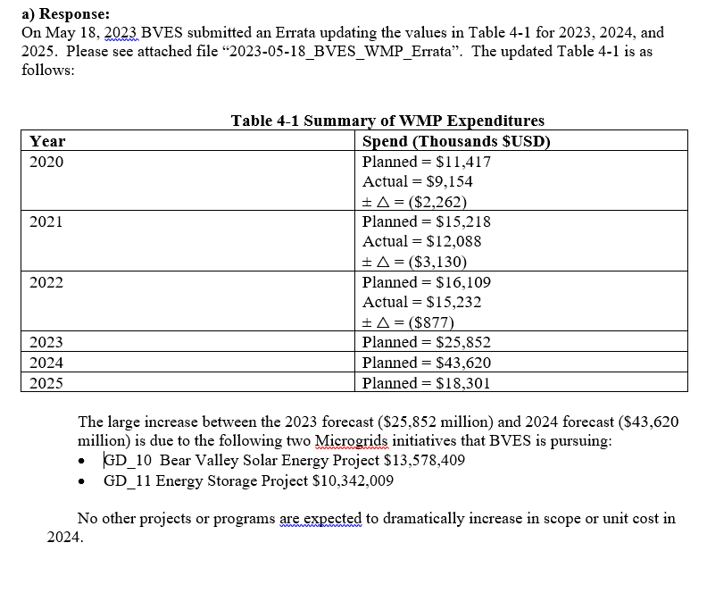 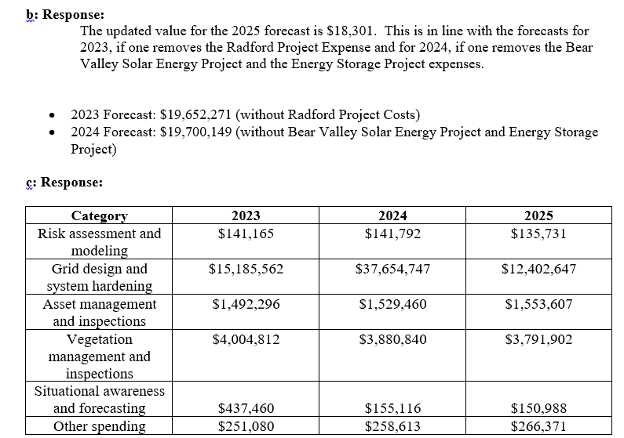 | 1 | N/A | 4.4 | Risk Informed Framework |  | N
38 | Public Advocates Office | CalAdvocates-BVES-2023WMP-07 | Holly Wehrman, Carolyn Chen, Marybelle Ang | 3 | CalAdvocates-BVES-2023WMP-07_Q3 | 2023-05-17 | 2023-05-22 | 2023-05-22 | Page 48 of your WMP states, “Initial WRRM results became available to BVES in late February 2023.” a) Please describe the initial WRRM results that were provided to BVES in February. b) What was the format or formats of the initial WRRM results provided to BVES? c) Please provide a copy of the initial WRRM results that were provided to BVES in February. If any portion of this requires a specialized program to view (e.g., proprietary Technosylva software), please also list the type of program(s) required. | a) Response: The initial WRRM results provided in February were for multiple assets. Each asset has both a conditional and expected risk score output for its ignition point. Results are broken down by percentiles for Buildings Threatened, Estimated Buildings Destroyed, Population Impacted, Fire Size Potential, Fire Behavior Index, Flame Length, and Rate of Spread. b) Response: The initial WRRM results were in the format of a .gdb file. c) Response: Refer to (BVES_WRRM_Initial). ArcMap or ArcGIS Pro is required to view the WRRM files. | 1 | N/A | 6.1 | Methodology |  | N
39 | Public Advocates Office | CalAdvocates-BVES-2023WMP-07 | Holly Wehrman, Carolyn Chen, Marybelle Ang | 4 | CalAdvocates-BVES-2023WMP-07_Q4 | 2023-05-17 | 2023-05-22 | 2023-05-22 | The narrative for section 6.2.1 appears to begin on page 58 of your WMP with the following: and in Section 6.1.1 illustrate BVES’s overall utility risk assessment framework. BVES’s overall risk is comprised of the risk stemming from both wildfire and PSPS events across its service territory. This includes several likelihood and consequence risk components that are aggregated based on the framework shown in . The following paragraphs define each risk component. This paragraph appears to be missing text at the beginning, and appears to be missing a referenced table or figure in the second-to-last sentence. If this is the case, please provide an updated version of section 6.2.1. | Response: The paragraph should read as follows: “Figures 6-1 and 6-2 in Section 6.1.1 illustrate BVES’s overall utility risk assessment framework. BVES’s overall risk is comprised of the risk from both wildfire and PSPS events across its service territory. This includes several likelihood and consequence risk components that are aggregated based on the framework shown in Figure 6-4. The following paragraphs define each risk component.”BVES will be submitting a non-substantive errata to correct this omission. | 0 | N/A | 6.4 | Risk Analysis Results & Presentation |  | N
40 | Public Advocates Office | CalAdvocates-BVES-2023WMP-07 | Holly Wehrman, Carolyn Chen, Marybelle Ang | 5 | CalAdvocates-BVES-2023WMP-07_Q5 | 2023-05-17 | 2023-05-22 | 2023-05-22 | Table 6-5 on page 84 of your WMP lists the risk ranking for your circuits. The risk ranking does not appear to correlate to the overall risk score. For example, the Boulder circuit has the lowest overall risk score (882.12) but its risk ranking is 4. a) Please state how the risk ranking in this table is determined. b) Please explain why the Boulder Circuit has a high risk ranking despite its low overall risk score. | 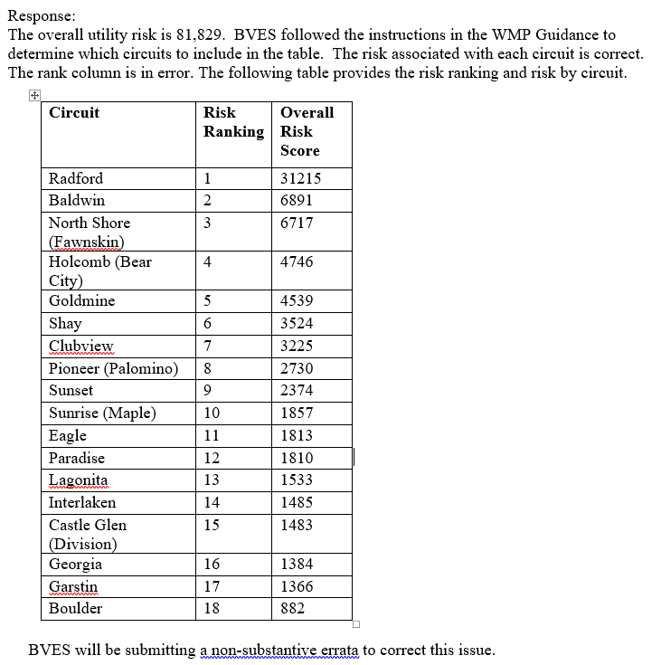 | 0 |  | 6.4 | Risk Analysis Results & Presentation |  | N
41 | Public Advocates Office | CalAdvocates-BVES-2023WMP-07 | Holly Wehrman, Carolyn Chen, Marybelle Ang | 6 | CalAdvocates-BVES-2023WMP-07_Q6 | 2023-05-17 | 2023-05-22 | 2023-05-22 | The supporting table of your response to data request CalAdvocates-BVES-2023WMP-03, question 1, shows that the SAIDI and SAIFI was higher in 2022 compared to 2021 for 19 of your 26 circuits. a) Please explain, to the best of your current knowledge, why SAIDI was higher in 2022 compared to 2021 for the majority of your circuits. b) Please explain, to the best of your current knowledge, why SAIFI was higher in 2022 compared to 2021 for the majority of your circuits. | In 2022, BVES territory encountered high winds in November that caused a system wide outage. This one event is responsible for approximately 60% of the total 2022 SAIDI minutes for unplanned outages. This storm also significantly increased the SAIFI for the entire service territory. | 0 | N/A |  |  |  | N
42 | Public Advocates Office | CalAdvocates-BVES-2023WMP-07 | Holly Wehrman, Carolyn Chen, Marybelle Ang | 7 | CalAdvocates-BVES-2023WMP-07_Q7 | 2023-05-17 | 2023-05-22 | 2023-05-22 | The supporting table of your response to data request CalAdvocates-BVES-2023WMP-03, question 1, shows a “1” or “0” for all rows under “number of detailed overhead inspections.” a) Does a “1” indicate that all poles or assets in that circuit underwent a detailed inspection in that year? b) If the answer to part (a) is no, please explain what a “1” indicates. c) Does BVES record a unique detailed inspection record each time a pole or asset is inspected? d) If the answer to part (c) is yes, please explain why a maximum of 1 detailed inspection is recorded for each circuit. e) If the answer to part (c) is no, please explain why BVES does not record a detailed inspection record each time a pole or asset is inspected. | a) Response: Yes. On the supporting table “1” indicates that all poles on that given circuit underwent a detailed inspection. b) Response: N/A c) Response: BVES documents a unique record for each pole that has a detailed inspection in our internal database called iRestore d Response: BVES interpreted the column as either completed or not completed. BVES did not input the number of poles that had a detail inspection. e) Response: N/A | 0 | N/A | 6.4 | Risk Analysis Results & Presentation |  | N
43 | Public Advocates Office | CalAdvocates-BVES-2023WMP-07 | Holly Wehrman, Carolyn Chen, Marybelle Ang | 8 | CalAdvocates-BVES-2023WMP-07_Q8 | 2023-05-17 | 2023-05-22 | 2023-05-22 | a) Please explain the differences in BVES’ methods between a patrol inspection of a circuit and a detailed inspection of a circuit. b) Please describe what records or reports BVES creates when it conducts a patrol inspection. c) Please describe what records or reports BVES creates when it conducts a detailed inspection. | a) Response: Per GO-165:"Patrol inspection" shall be defined as a simple visual inspection, of applicable utility equipment and structures, that is designed to identify obvious structural problems and hazards. Patrol inspections may be carried out in the course of other company business. "Detailed inspection” shall be defined as one where individual pieces of equipment and structures are carefully examined, visually and through use of routine diagnostic test, as appropriate, and (if practical and if useful information can be so gathered) opened, and the condition of each rated and recorded. b)Response: Patrol inspections are documented by circuit with a sign off sheet that are signed and dated by the field inspector. Any findings are recorded in our internal database called iRestore. c) Response: Detailed inspections are documented by circuit with a sign off sheet that are signed and dated by the field inspector. Any findings are recorded in our internal database called iRestore. | 0 | N/A | 8.1.3 | Asset Inspections |  | N
44 | Public Advocates Office | CalAdvocates-BVES-2023WMP-07 | Holly Wehrman, Carolyn Chen, Marybelle Ang | 9 | CalAdvocates-BVES-2023WMP-07_Q9 | 2023-05-17 | 2023-05-22 | 2023-05-22 | Attachment 1 of your response to CalAdvocates-BVES-2023WMP-05 states, “BVES cross-checks detailed inspection findings with findings from other inspections (patrol, 3rd party, UAV, LiDAR) to verify quality.” a) What percentage of detailed inspections does BVES cross check with other inspections in this manner? b) How many such cross-checks did BVES perform in 2022? c) Please describe the process for the cross-checks described above. d) How does BVES record the findings or results of these cross-checks? e) If a cross-check suggests that the detailed inspection missed or incorrectly classified an issue, how does BVES resolve this discrepancy? f) Please provide records of the cross-checks described above that were performed in 2022. If this would result in more than 25 documents, please provide a sample of 25 records of cross-checks performed in 2022. | Response for a) through f): BVES utilizes cross-checks in a couple different ways. Every quarter BVES personnel cross-checks detailed inspections with the many other inspection types that BVES conducts, to help identify trends and possible errors that may have been found during the detailed inspection. Another way BVES utilizes cross-checks is by helping BVES crews to help gather more information about potential findings. Detailed inspections are cross-checked with the high resolution pictures provided by the UAV. The photos are able to provide angles and images not able to be seen by an inspector. When an error is found, the violation is reclassified to the appropriate level. BVES does not formally document cross-checks that are conducted and does not have any records of cross-checks. | 0 | N/A | 8.1.3 | Asset Inspections |  | N
45 | Public Advocates Office | CalAdvocates-BVES-2023WMP-07 | Holly Wehrman, Carolyn Chen, Marybelle Ang | 10 | CalAdvocates-BVES-2023WMP-07_Q10 | 2023-05-17 | 2023-05-22 | 2023-05-22 | The Excel file for your response to CalAdvocates-BVES-2023WMP-05, question 4, includes the following two work orders related to poles: 10216BV_20220728104533, “cracked pole top,” opened 7/28/2022, due 7/28/2023 8180BV_20220804083125, “pole top split,” opened 8/4/2022, due 8/4/2027 a) Please explain the difference between these two defect types. b) Please explain why the first work order has a due date of 7/28/2023, one year after the work order was opened. c) Please explain why the second work order has a due date of 8/4/2027, five years after the work order was opened. | a) Response: The two defects in the above work orders are the same type of defect. The wording used by the inspector was just slightly different in the work order record. b) and c) Response: The work orders have different due dates because of the severity of the findings. Work order “10216BV_20220728104533” is classified as a level 2 finding and work order “8180BV_20220804083125” is classified as a level 3 finding. The completion date assigned to the work orders reflect the level of severity that was identified. | 0 | N/A | 8.1.3 | Asset Inspections |  | N
46 | Public Advocates Office | CalAdvocates-BVES-2023WMP-07 | Holly Wehrman, Carolyn Chen, Marybelle Ang | 11 | CalAdvocates-BVES-2023WMP-07_Q11 | 2023-05-17 | 2023-05-22 | 2023-05-22 | Attachment 1 of your response to CalAdvocates-BVES-2023WMP-06 lists the actual and forecast costs and mileage of covered conductor installation from 2022 through 2024. Dividing cost by mileage provides the following unit costs: 2022 (actual): $740,000/mile 2023 (forecast): $530,000/mile 2024 (forecast): $530,000/mile a) Please state the basis for the forecast decrease in the unit cost of covered conductor from 2022 to 2023. b) Does either the 2023 forecast or the 2024 forecast include the costs of the Radford line covered conductor project? Please explain your response. | a) Response: The forecast for 2023 and 2024 is the average cost of 2020-2022 cover conductor project. The covered conductor costs differences are mostly driven by the number of poles needed to be replaced.Pole replacements will vary each year depending on the age and condition of existing poles where the covered conductor is being installed. b) Response: The 2024 forecast does not include the cost of the Radford Line cover conductor project which is a separate WMP project. | 0 | N/A |  | Covered Conductor Installation |  | N
47 | Public Advocates Office | CalAdvocates-BVES-2023WMP-07 | Holly Wehrman, Carolyn Chen, Marybelle Ang | 12 | CalAdvocates-BVES-2023WMP-07_Q12 | 2023-05-17 | 2023-05-22 | 2023-05-22 | a) What is your forecast total cost for the Radford line covered conductor project? b) What is your forecast unit cost (per circuit mile of covered conductor installed) for the Radford line covered conductor project? | a) Response: Forecasted total cost for the Radford line covered conductor project is $6,200,347 b) Response: The circuit is 2.9 circuit miles long so on a per circuit mile basis, the unit cost is $2,138,051/circuit mile. It should be noted that the terrain is steep without access roads that would permit trucks to access the area. Therefore approximately 59 poles will need to be set by helicopter. This significantly drives up the cost of the project. Likewise, due to the steep slope and lack of access roads, undergrounding the line is not feasible. Furthermore, undergrounding would cause significant disturbance to the area controlled by U.S. Forest Service. | 0 | N/A |  | Covered Conductor Installation |  | N
48 | Public Advocates Office | CalAdvocates-BVES-2023WMP-08 | Holly Wehrman, Herman Eng, Carolyn Chen, Marybelle Ang | 1 | CalAdvocates-BVES-2023WMP-08_Q1 | 2023-05-18 | 2023-05-23 | 2023-05-23 | Please provide an Excel sheet listing of each sustained outage that was caused by equipment failure for the period from 2020 to 2022. A sustained outage is an outage that lasts for five or more minutes. The Excel sheet should list each outage as a row, with the following information in columns: a) Name of circuit affected. b) Date of the outage. c) Cause of the outage. d) Conductor type at the location where the fault occurred (e.g., overhead (OH) bare conductor, overhead covered conductor, underground (UG) cable). e) For all equipment failure outages, please state the specific type of failure (i.e. OH transformers failure, cross arms, UG transformer failure, cable failure, conductor failure etc.). f) The outage duration in minutes. g) Total number of customers impacted. | Response: Refer to (Caladvocates-BVES-2023WMP-08 Excel sheet). | 1 | N/A | 8.1 | Grid Design Operations & Management |  | N
49 | Public Advocates Office | CalAdvocates-BVES-2023WMP-09 | Holly Wehrman, Franky Lao, Carolyn Chen, Marybelle Ang | 1 | CalAdvocates-BVES-2023WMP-09_Q1 | 2023-05-24 | 2023-05-30 | 2023-05-30 | 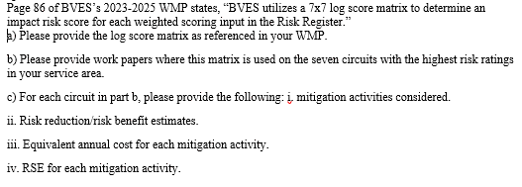 | 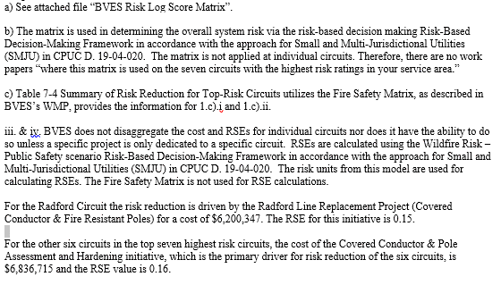 | 1 | N/A | 6.4 | Risk Analysis Results & Presentation |  | N
50 | Public Advocates Office | CalAdvocates-BVES-2023WMP-09 | Holly Wehrman, Herman Eng, Carolyn Chen, Marybelle Ang | 2 | CalAdvocates-BVES-2023WMP-09_Q2 | 2023-05-24 | 2023-05-30 | 2023-05-30 |  | 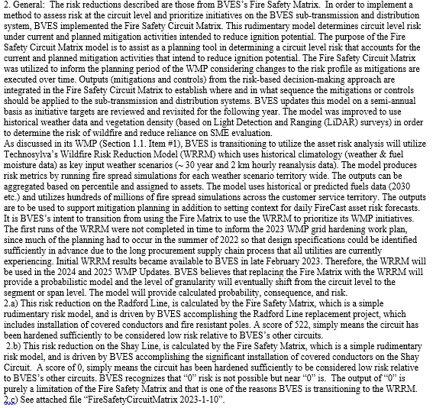 | 1 | N/A | 6.4 | Risk Analysis Results & Presentation |  | N
51 | Public Advocates Office | CalAdvocates-BVES-2023WMP-09 | Holly Wehrman, Franky Lao, Franky Lao, Marybelle Ang | 3 | CalAdvocates-BVES-2023WMP-09_Q3 | 2023-05-24 | 2023-05-30 | 2023-05-30 | 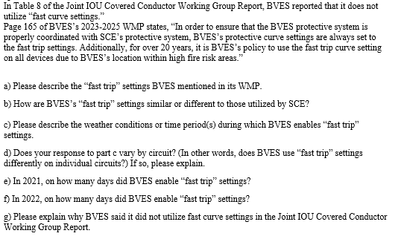 | 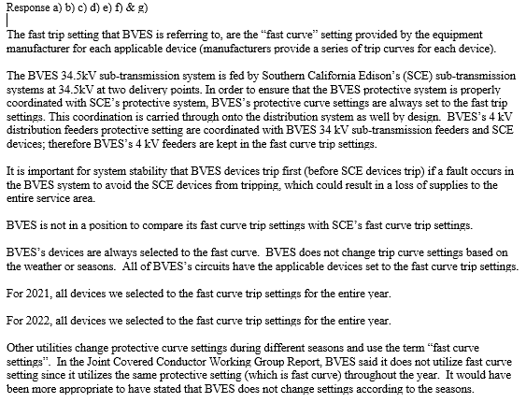 | 0 | N/A | 6.4 | Risk Analysis Results & Presentation |  | N
52 | Public Advocates Office | CalAdvocates-BVES-2023WMP-10 | Holly Wehrman, Franky Lao, Franky Lao, Marybelle Ang | 1 | CalAdvocates-BVES-2023WMP-10_Q1 | 2023-05-31 | 2023-06-05 | 2023-06-05 |  | 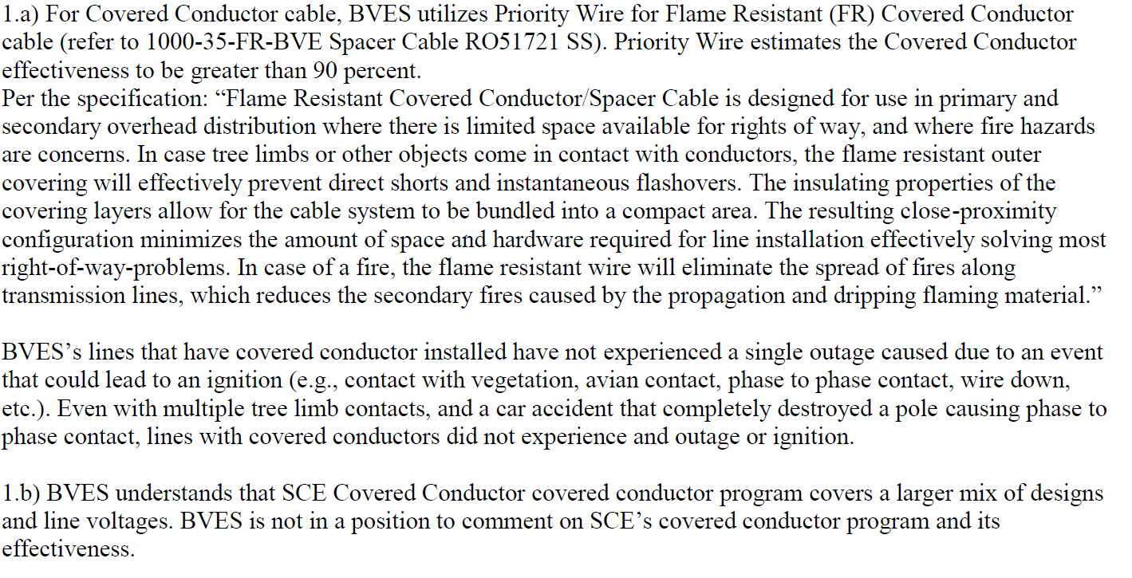 | 1 | N/A |  | Covered Conductor Installation |  | N
53 | Public Advocates Office | CalAdvocates-BVES-2023WMP-10 | Holly Wehrman, Franky Lao, Franky Lao, Marybelle Ang | 2 | CalAdvocates-BVES-2023WMP-10_Q2 | 2023-05-31 | 2023-06-05 | 2023-06-05 |  |  | 0 | N/A | 8.1 | Grid Design Operations & Management |  | N
54 | Public Advocates Office | CalAdvocates-BVES-2023WMP-10 | Holly Wehrman, Franky Lao, Franky Lao, Marybelle Ang | 3 | CalAdvocates-BVES-2023WMP-10_Q3 | 2023-05-31 | 2023-06-05 | 2023-06-05 |  |  | 0 | N/A | 8.1 | Grid Design Operations & Management |  | N
55 | Public Advocates Office | CalAdvocates-BVES-2023WMP-10 | Holly Wehrman, Franky Lao, Franky Lao, Marybelle Ang | 4 | CalAdvocates-BVES-2023WMP-10_Q4 | 2023-05-31 | 2023-06-05 | 2023-06-05 |  |  | 0 | N/A | 8.1 | Grid Design Operations & Management |  | N
56 | Public Advocates Office | CalAdvocates-BVES-2023WMP-10 | Holly Wehrman, Franky Lao, Franky Lao, Marybelle Ang | 5 | CalAdvocates-BVES-2023WMP-10_Q5 | 2023-05-31 | 2023-06-05 | 2023-06-05 |  |  | 0 | N/A | 8.1 | Grid Design Operations & Management |  | N
57 | Public Advocates Office | CalAdvocates-BVES-2023WMP-10 | Holly Wehrman, Franky Lao, Franky Lao, Marybelle Ang | 6 | CalAdvocates-BVES-2023WMP-10_Q6 | 2023-05-31 | 2023-06-05 | 2023-06-05 |  |  | 0 | N/A | 8.1 | Grid Design Operations & Management |  | N
58 | Public Advocates Office | CalAdvocates-BVES-2023WMP-10 | Holly Wehrman, Franky Lao, Franky Lao, Marybelle Ang | 7 | CalAdvocates-BVES-2023WMP-10_Q7 | 2023-05-31 | 2023-06-05 | 2023-06-05 |  |  | 0 | N/A | 8.1 | Grid Design Operations & Management |  | N
59 | Public Advocates Office | CalAdvocates-BVES-2023WMP-10 | Holly Wehrman, Franky Lao, Franky Lao, Marybelle Ang | 8 | CalAdvocates-BVES-2023WMP-10_Q8 | 2023-05-31 | 2023-06-05 | 2023-06-05 |  |  | 0 | N/A | 8.4.4 | Public Emergency Communication Strategy |  | N
60 | Public Advocates Office | CalAdvocates-BVES-2023WMP-10 | Holly Wehrman, Franky Lao, Franky Lao, Marybelle Ang | 9 | CalAdvocates-BVES-2023WMP-10_Q9 | 2023-05-31 | 2023-06-05 | 2023-06-05 |  |  | 0 | N/A | 8.1 | Grid Design Operations & Management |  | N
61 | Public Advocates Office | CalAdvocates-BVES-2023WMP-10 | Holly Wehrman, Franky Lao, Franky Lao, Marybelle Ang | 10 | CalAdvocates-BVES-2023WMP-10_Q10 | 2023-05-31 | 2023-06-05 | 2023-06-05 |  |  | 0 | N/A | 8.1 | Grid Design Operations & Management |  | N
62 | Public Advocates Office | CalAdvocates-BVES-2023WMP-10 | Holly Wehrman, Franky Lao, Franky Lao, Marybelle Ang | 11 | CalAdvocates-BVES-2023WMP-10_Q11 | 2023-05-31 | 2023-06-05 | 2023-06-05 |  |  | 0 | N/A | 8.1 | Grid Design Operations & Management |  | N
63 | Public Advocates Office | CalAdvocates-BVES-2023WMP-10 | Holly Wehrman, Franky Lao, Franky Lao, Marybelle Ang | 12 | CalAdvocates-BVES-2023WMP-10_Q12 | 2023-05-31 | 2023-06-05 | 2023-06-05 |  |  | 0 | N/A | 8.1 | Grid Design Operations & Management |  | N
64 | Public Advocates Office | CalAdvocates-BVES-2023WMP-10 | Holly Wehrman, Franky Lao, Franky Lao, Marybelle Ang | 13 | CalAdvocates-BVES-2023WMP-10_Q13 | 2023-05-31 | 2023-06-05 | 2023-06-05 |  |  | 0 | N/A | 8.1 | Grid Design Operations & Management |  | N
65 | Public Advocates Office | CalAdvocates-BVES-2023WMP-10 | Holly Wehrman, Franky Lao, Franky Lao, Marybelle Ang | 14 | CalAdvocates-BVES-2023WMP-10_Q14 | 2023-05-31 | 2023-06-05 | 2023-06-05 |  |  | 0 | N/A | 8.1 | Grid Design Operations & Management |  | N
66 | Public Advocates Office | CalAdvocates-BVES-2023WMP-10 | Holly Wehrman, Franky Lao, Franky Lao, Marybelle Ang | 15 | CalAdvocates-BVES-2023WMP-10_Q15 | 2023-05-31 | 2023-06-05 | 2023-06-05 |  |  | 0 | N/A | App D |  |  | N
67 | Public Advocates Office | CalAdvocates-BVES-2023WMP-11 | Holly Wehrman, Franky Lao, Franky Lao, Marybelle Ang | 1 | CalAdvocates-BVES-2023WMP-11_Q1 | 2023-05-31 | 2023-06-05 | 2023-06-05 |  |  | 1 | N/A | 8.1 | Grid Design Operations & Management |  | N
68 | Public Advocates Office | CalAdvocates-BVES-2023WMP-11 | Holly Wehrman, Franky Lao, Franky Lao, Marybelle Ang | 2 | CalAdvocates-BVES-2023WMP-11_Q2 | 2023-06-02 | 2023-06-07 | 2023-06-07 |  |  | 1 | N/A | 8.1 | Grid Design Operations & Management |  | N
69 | Public Advocates Office | CalAdvocates-BVES-2023WMP-11 | Holly Wehrman, Franky Lao, Franky Lao, Marybelle Ang | 3 | CalAdvocates-BVES-2023WMP-11_Q3 | 2023-06-02 | 2023-06-07 | 2023-06-07 | 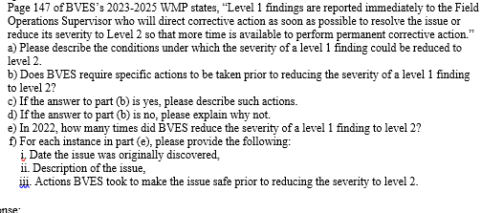 |  | 0 | N/A | 8.1 | Grid Design Operations & Management |  | N
70 | Public Advocates Office | CalAdvocates-BVES-2023WMP-11 | Holly Wehrman, Franky Lao, Franky Lao, Marybelle Ang | 4 | CalAdvocates-BVES-2023WMP-11_Q4 | 2023-06-02 | 2023-06-07 | 2023-06-07 | 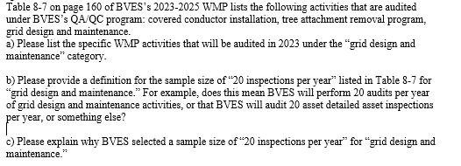 |  | 0 | N/A | 8.1 | Grid Design Operations & Management |  | N
71 | Public Advocates Office | CalAdvocates-BVES-2023WMP-11 | Holly Wehrman, Franky Lao, Franky Lao, Marybelle Ang | 5 | CalAdvocates-BVES-2023WMP-11_Q5 | 2023-06-02 | 2023-06-07 | 2023-06-07 |  |  | 0 | N/A | 8.1 | Grid Design Operations & Management |  | N
72 | Public Advocates Office | CalAdvocates-BVES-2023WMP-11 | Holly Wehrman, Franky Lao, Franky Lao, Marybelle Ang | 6 | CalAdvocates-BVES-2023WMP-11_Q6 | 2023-06-02 | 2023-06-07 | 2023-06-07 |  |  | 0 | N/A | 8.1 | Grid Design Operations & Management |  | N
73 | Public Advocates Office | CalAdvocates-BVES-2023WMP-11 | Holly Wehrman, Franky Lao, Franky Lao, Marybelle Ang | 7 | CalAdvocates-BVES-2023WMP-11_Q7 | 2023-06-02 | 2023-06-07 | 2023-06-07 |  |  | 0 | N/A | 8.1 | Grid Design Operations & Management |  | N
74 | Public Advocates Office | CalAdvocates-BVES-2023WMP-12 | Holly Wehrman, Franky Lao, Franky Lao, Marybelle Ang | 8 | CalAdvocates-BVES-2023WMP-12_Q8 | 2023-06-02 | 2023-06-07 | 2023-06-07 |  |  | 0 | N/A | App H | BVES Asset & Inspection Quality Management Plan |  | N
75 | Public Advocates Office | CalAdvocates-BVES-2023WMP-12 | Holly Wehrman,Carolyn Chen, Marybelle Ang | 1 | CalAdvocates-BVES-2023WMP-12_Q1 | 2023-06-07 | 2023-06-12 | 2023-06-12 |  |  | 0 | N/A | 8.4 | Emergency Preparedness |  | N
76 | Public Advocates Office | CalAdvocates-BVES-2023WMP-12 | Holly Wehrman,Carolyn Chen, Marybelle Ang | 2 | CalAdvocates-BVES-2023WMP-12_Q2 | 2023-06-07 | 2023-06-12 | 2023-06-12 |  | 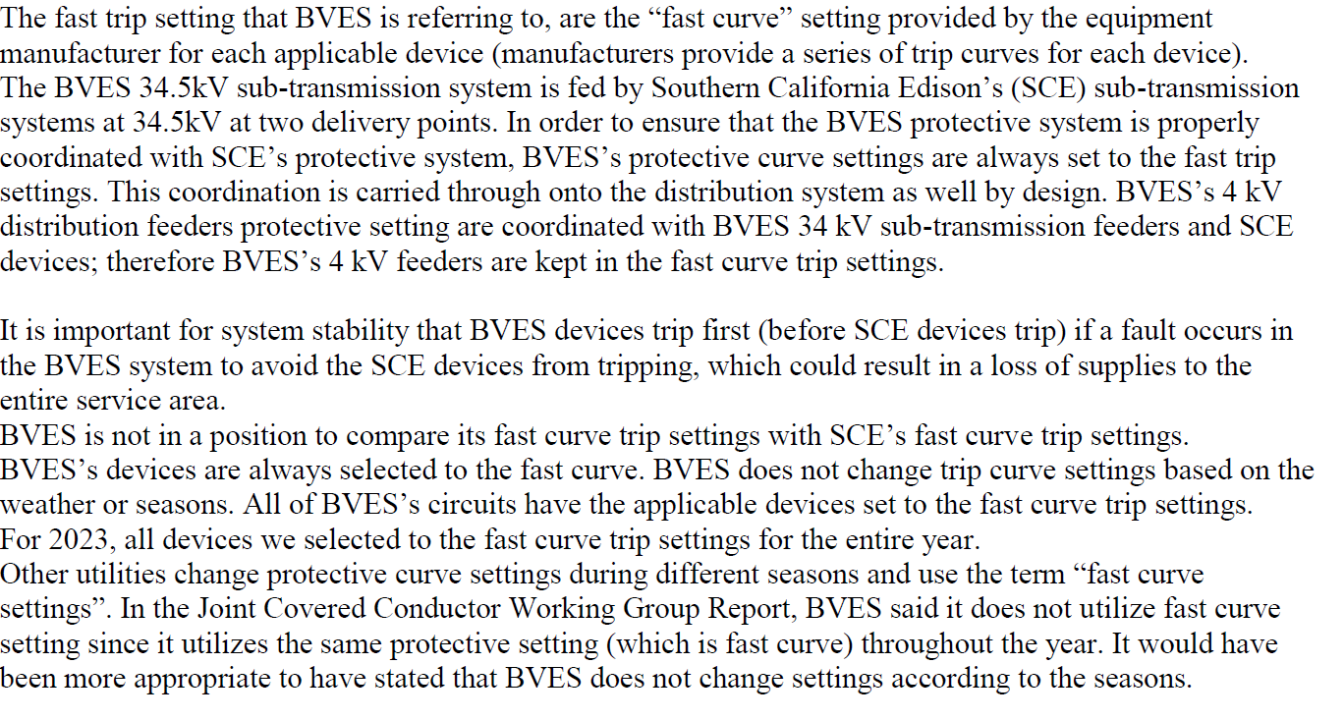 | 0 | N/A | 8.1 | Grid Design Operations & Management |  | N
77 | Public Advocates Office | CalAdvocates-BVES-2023WMP-12 | Holly Wehrman,Carolyn Chen, Marybelle Ang | 3 | CalAdvocates-BVES-2023WMP-12_Q3 | 2023-06-07 | 2023-06-12 | 2023-06-12 | 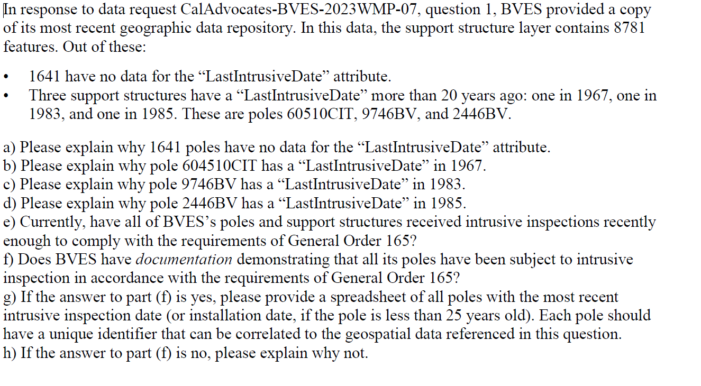 | 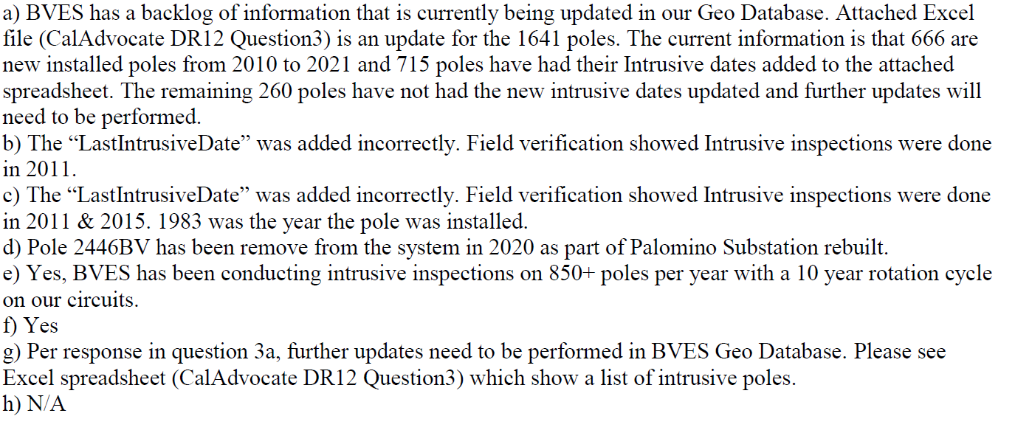 |  | N/A |  | Administrative |  | N
78 | Public Advocates Office | CalAdvocates-BVES-2023WMP-12 | Holly Wehrman,Carolyn Chen, Marybelle Ang | 4 | CalAdvocates-BVES-2023WMP-12_Q4 | 2023-06-07 | 2023-06-12 | 2023-06-12 |  |  | 0 | N/A | App C | Additional Maps |  | N
79 | Public Advocates Office | CalAdvocates-BVES-2023WMP-12 | Holly Wehrman,Carolyn Chen, Marybelle Ang | 5 | CalAdvocates-BVES-2023WMP-12_Q5 | 2023-06-07 | 2023-06-12 | 2023-06-12 |  | 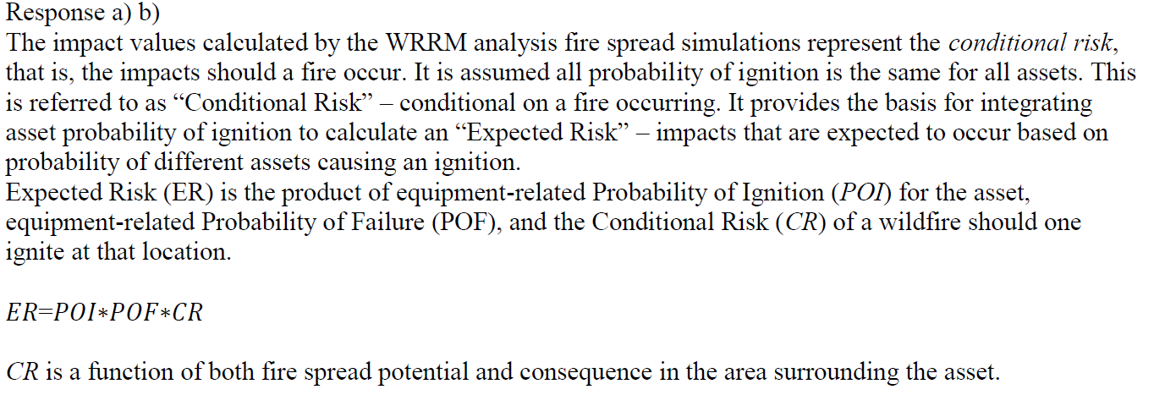 | 0 | N/A | 6.1 | Methodology |  | N
80 | Office of Energy Infrasturcture Safety | OEIS-P-WMP_2023-BVES-001 | Blythe Denton, Nicole Dunlap, Nathan Poon | 1 | OEIS-P-WMP_2023-BVES-001_Q1 | 2023-06-21 | 2023-06-26 | 2023-06-26 |  |  | 0 | N/A | 9 | Public Safety Shutoff |  | N
81 | Office of Energy Infrasturcture Safety | OEIS-P-WMP_2023-BVES-002 | Blythe Denton, Nicole Dunlap, Jolynne Flores, Jeff Fuentes, Stephen Volmer, Colin Lang | 1 | OEIS-P-WMP_2023-BVES-002_Q1 | 2023-06-27 | 2023-06-30 | 2023-06-30 | 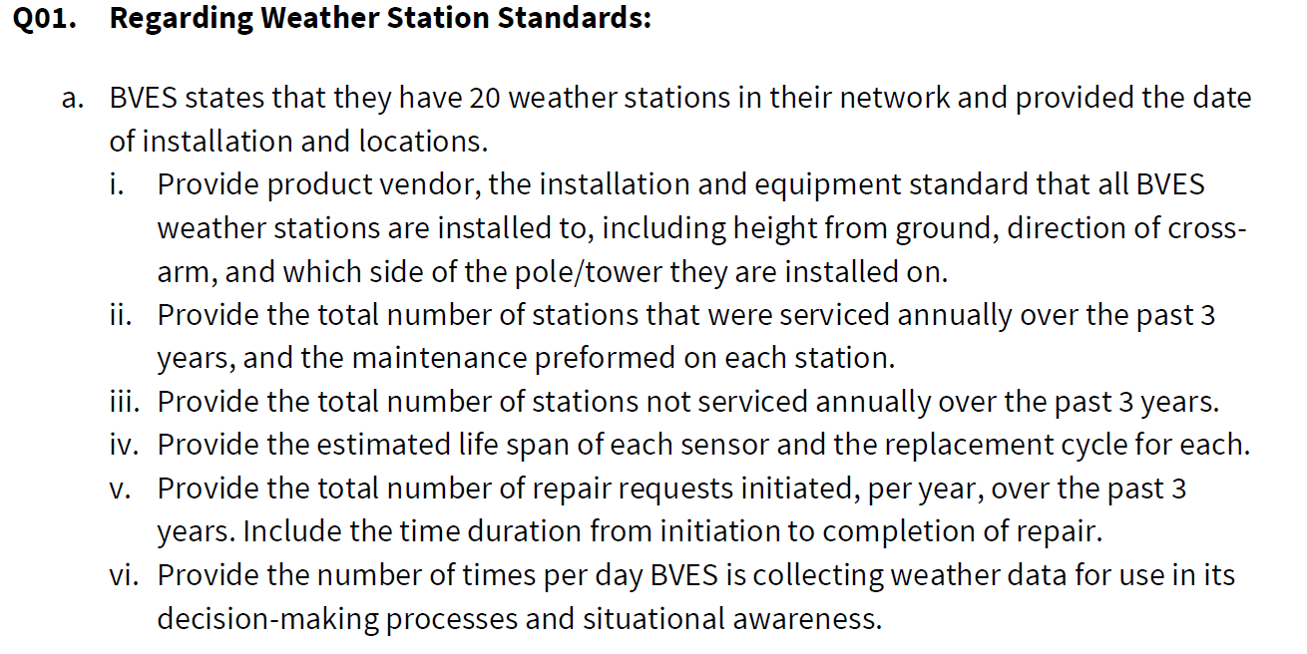 | 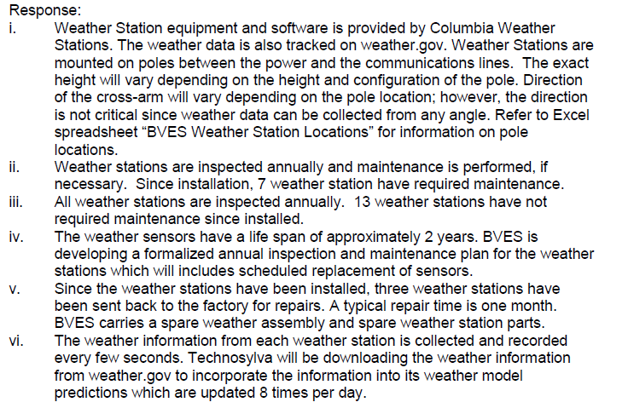 | 1 | N/A | 6 | Risk Methodology and Assessment |  | N
82 | Office of Energy Infrasturcture Safety | OEIS-P-WMP_2023-BVES-002 | Blythe Denton, Nicole Dunlap, Jolynne Flores, Jeff Fuentes, Stephen Volmer, Colin Lang | 2 | OEIS-P-WMP_2023-BVES-002_Q2 | 2023-06-27 | 2023-06-30 | 2023-06-30 | 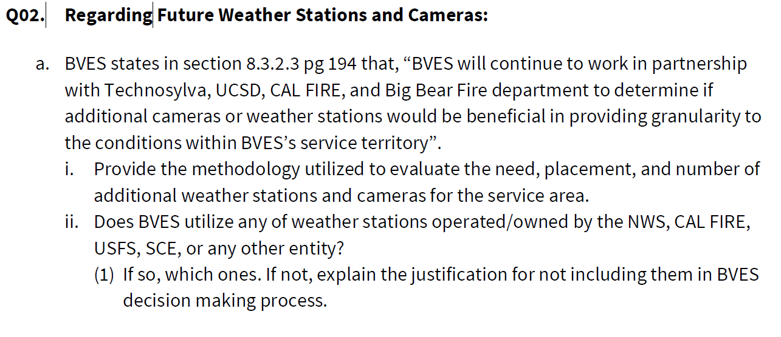 | 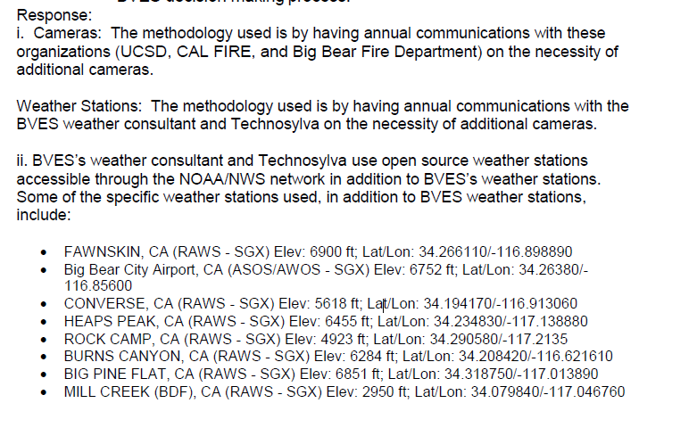 | 0 | N/A | 8.2 | Vegetation Management & Inspection |  | N
83 | Office of Energy Infrasturcture Safety | OEIS-P-WMP_2023-BVES-002 | Blythe Denton, Nicole Dunlap, Jolynne Flores, Jeff Fuentes, Stephen Volmer, Colin Lang | 3 | OEIS-P-WMP_2023-BVES-002_Q3 | 2023-06-27 | 2023-06-30 | 2023-06-30 |  | 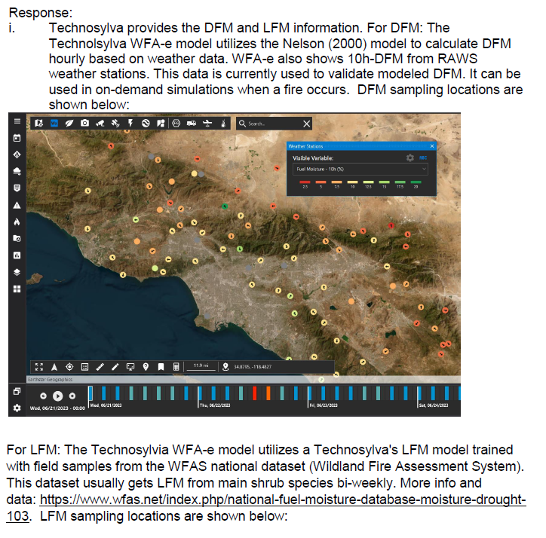 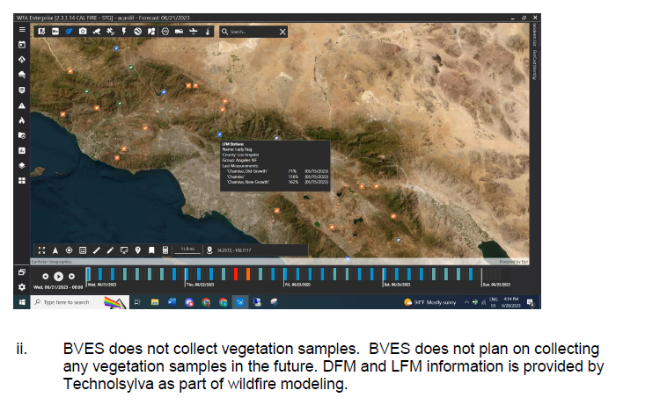 | 0 | N/A | 5.4.5 | Environmental Compliance and Permitting |  | N
84 | Office of Energy Infrasturcture Safety | OEIS-P-WMP_2023-BVES-002 | Blythe Denton, Nicole Dunlap, Jolynne Flores, Jeff Fuentes, Stephen Volmer, Colin Lang | 4 | OEIS-P-WMP_2023-BVES-002_Q4 | 2023-06-27 | 2023-06-30 | 2023-06-30 |  |  | 0 | N/A | 8.2 | Vegetation Management & Inspection |  | N
85 | Office of Energy Infrasturcture Safety | OEIS-P-WMP_2023-BVES-002 | Blythe Denton, Nicole Dunlap, Jolynne Flores, Jeff Fuentes, Stephen Volmer, Colin Lang | 5 | OEIS-P-WMP_2023-BVES-002_Q5 | 2023-06-27 | 2023-06-30 | 2023-06-30 |  | 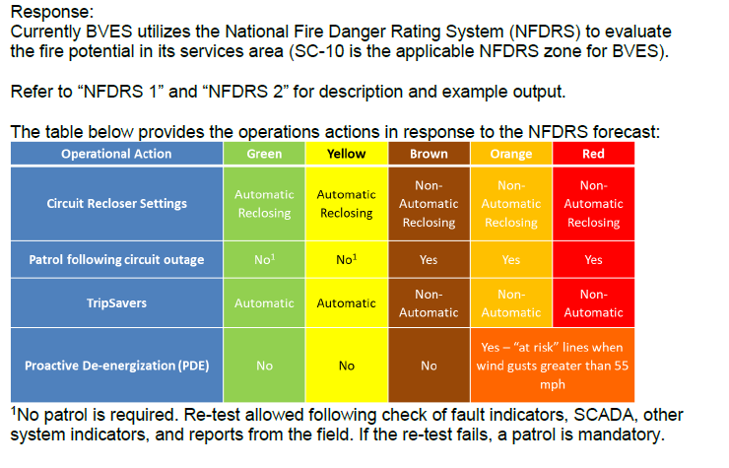 | 2 | N/A | 8.2 | Vegetation Management & Inspection |  | N
86 | Office of Energy Infrasturcture Safety | OEIS-P-WMP_2023-BVES-002 | Blythe Denton, Nicole Dunlap, Jolynne Flores, Jeff Fuentes, Stephen Volmer, Colin Lang | 6 | OEIS-P-WMP_2023-BVES-002_Q6 | 2023-06-27 | 2023-06-30 | 2023-06-30 | 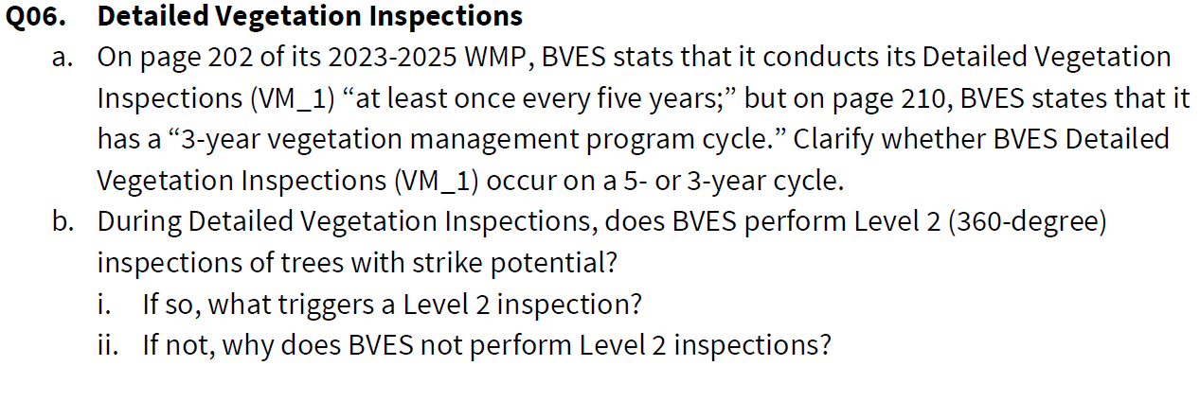 |  | 0 | N/A | 8.2.2.2 | Patrol Inspections |  | N
87 | Office of Energy Infrasturcture Safety | OEIS-P-WMP_2023-BVES-002 | Blythe Denton, Nicole Dunlap, Jolynne Flores, Jeff Fuentes, Stephen Volmer, Colin Lang | 7 | OEIS-P-WMP_2023-BVES-002_Q7 | 2023-06-27 | 2023-06-30 | 2023-06-30 |  |  | 0 | N/A | 8.2.4 | Vegetation Management Enterprise Systems |  | N
88 | Office of Energy Infrasturcture Safety | OEIS-P-WMP_2023-BVES-002 | Blythe Denton, Nicole Dunlap, Jolynne Flores, Jeff Fuentes, Stephen Volmer, Colin Lang | 8 | OEIS-P-WMP_2023-BVES-002_Q8 | 2023-06-27 | 2023-06-30 | 2023-06-30 |  | 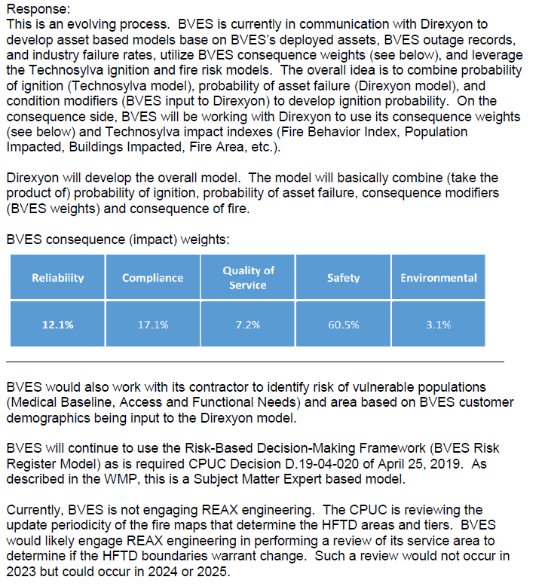 | 0 | N/A | 6.1.1 | Independent Review |  | N
89 | Office of Energy Infrasturcture Safety | OEIS-P-WMP_2023-BVES-002 | Blythe Denton, Nicole Dunlap, Jolynne Flores, Jeff Fuentes, Stephen Volmer, Colin Lang | 9 | OEIS-P-WMP_2023-BVES-002_Q9 | 2023-06-27 | 2023-06-30 | 2023-06-30 |  | 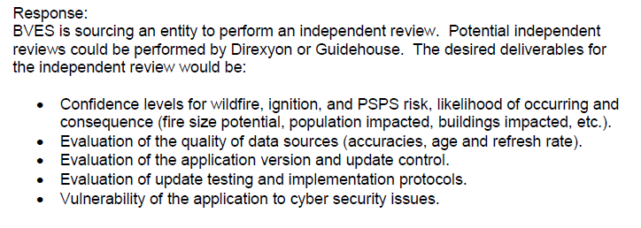 | 0 | N/A | 6.1.1 | Independent Review |  | N
90 | Office of Energy Infrasturcture Safety | OEIS-P-WMP_2023-BVES-002 | Blythe Denton, Nicole Dunlap, Jolynne Flores, Jeff Fuentes, Stephen Volmer, Colin Lang | 10 | OEIS-P-WMP_2023-BVES-002_Q10 | 2023-06-27 | 2023-06-30 | 2023-06-30 |  | 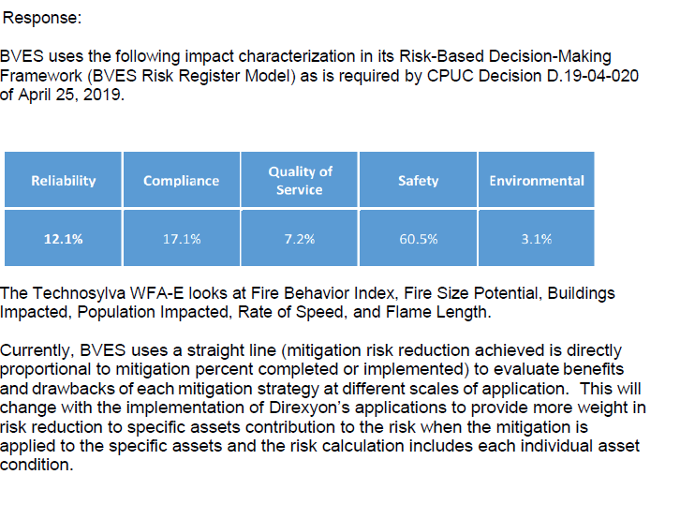 | 0 | N/A | 8.1 | Grid Design Operations & Management |  | N
91 | Office of Energy Infrasturcture Safety | OEIS-P-WMP_2023-BVES-03 | Blythe Denton, Nicole Dunlap, Jolynne Flores, Jeff Fuentes, Alan Solman | 1 | OEIS-P-WMP_2023-BVES-03_Q1 | 2023-07-05 | 2023-07-10 |  |  |  | 1 |  | 8.4.3 | External Collaboration and Coordination
92 | Office of Energy Infrasturcture Safety | OEIS-P-WMP_2023-BVES-03 | Blythe Denton, Nicole Dunlap, Jolynne Flores, Jeff Fuentes, Alan Solman | 2 | OEIS-P-WMP_2023-BVES-03_Q2 | 2023-07-05 | 2023-07-10 |  |  |  | 1 |  | 8.4 | Emergency Preparedness

